MMF01
MMF01 | MAHINDRA MANULIFE MUTUAL FUND
 | Monthly Portfolio Statement as on July 31, 2026
 | Mahindra Manulife Liquid Fund
 | (AN OPEN ENDED LIQUID SCHEME. A RELATIVELY LOW INTEREST RATE RISK AND MODERATE CREDIT RISK.)

 | Name of the Instrument | ISIN | Industry* / Rating | Quantity | Market/Fair Value (Rs. in Lakhs) | % to Net Assets | Yield to Maturity
 | Debt Instruments
 | (a) Listed / awaiting listing on Stock Exchanges
LICH678 | 7.8650% LIC Housing Finance Limited 2026 ** | INE115A07QT1 | CRISIL AAA | 6,500,000 | 6,502.31 | 5.08 | 6.68%
GOI3642 | 6.24% State Government Securities 2026 | IN2220210214 | SOVEREIGN | 1,000,000 | 1,000.24 | 0.78 | 5.29%
 | Sub Total |  |  |  | 7,502.55 | 5.86
 | (b) Privately placed / Unlisted |  |  |  | Nil | Nil
 | Sub Total |  |  |  | Nil | Nil
 | (c) Securitized Debt Instruments |  |  |  | Nil | Nil
 | Sub Total |  |  |  | Nil | Nil
 | Total |  |  |  | 7,502.55 | 5.86
 | Money Market Instruments
 | Treasury Bill/Cash Management Bill
TBIL2682 | 91 Days Tbill 2026 | IN002026X164 | SOVEREIGN | 7,500,000 | 7,411.36 | 5.79 | 5.32%
TBIL2686 | 91 Days Tbill 2026 | IN002026X172 | SOVEREIGN | 5,000,000 | 4,935.97 | 3.86 | 5.32%
TBIL2669 | 91 Days Tbill 2026 | IN002026X115 | SOVEREIGN | 2,500,000 | 2,483.29 | 1.94 | 5.23%
TBIL2656 | 91 Days Tbill 2026 | IN002026X065 | SOVEREIGN | 100,000 | 99.83 | 0.08 | 5.20%
 | Sub Total |  |  |  | 14,930.45 | 11.67
 | Certificate of Deposit
HDFB1031 | HDFC Bank Limited 2026 # | INE040A16HR5 | CRISIL A1+ | 7,500,000 | 7,432.54 | 5.81 | 6.50%
HDFB1067 | HDFC Bank Limited 2026 ** # | INE040A16JU5 | CRISIL A1+ | 5,000,000 | 4,926.91 | 3.85 | 6.85%
UNBI511 | Union Bank of India 2026 ** # | INE692A16MZ6 | ICRA A1+ | 5,000,000 | 4,923.92 | 3.85 | 6.80%
SIDB624 | Small Industries Dev Bank of India 2026 # | INE556F16BN1 | CARE A1+ | 5,000,000 | 4,919.91 | 3.84 | 6.83%
 | Sub Total |  |  |  | 22,203.28 | 17.35
 | Commercial Paper
 | (a) Listed / awaiting listing on Stock Exchange
NTPC267 | NTPC Limited 2026 | INE733E14CD3 | CRISIL A1+ | 7,500,000 | 7,430.41 | 5.81 | 6.45%
NBAR915 | National Bank For Agriculture and Rural Development 2026 | INE261F14PT0 | CRISIL A1+ | 5,000,000 | 4,964.15 | 3.88 | 6.43%
SIDB675 | Small Industries Dev Bank of India 2026 ** | INE556F14MM5 | CRISIL A1+ | 5,000,000 | 4,955.00 | 3.87 | 6.50%
EXIM831 | Export Import Bank of India 2026 ** | INE514E14TP5 | CRISIL A1+ | 5,000,000 | 4,954.56 | 3.87 | 6.44%
RECL489 | REC Limited 2026 ** | INE020B14714 | CRISIL A1+ | 5,000,000 | 4,924.50 | 3.85 | 6.82%
TRIF140 | TATA Realty & Infrastructure Limited 2026 ** | INE371K14DS5 | CRISIL A1+ | 5,000,000 | 4,914.44 | 3.84 | 7.30%
MOFS271 | Motilal Oswal Financial Services Limited 2026 ** | INE338I14MO8 | CRISIL A1+ | 3,500,000 | 3,484.23 | 2.72 | 6.89%
TRIF135 | TATA Realty & Infrastructure Limited 2026 ** | INE371K14DN6 | CRISIL A1+ | 2,500,000 | 2,489.02 | 1.94 | 6.71%
THDC203 | Tata Housing Development Company Limited 2026 ** | INE582L14JO1 | CARE A1+ | 2,500,000 | 2,488.97 | 1.94 | 6.74%
IGHL56 | IGH Holdings Private Limited 2026 ** | INE02FN14895 | CRISIL A1+ | 2,500,000 | 2,488.87 | 1.94 | 6.80%
IIFW360 | 360 One Prime Limited 2026 ** | INE248U14TP6 | CRISIL A1+ | 2,500,000 | 2,488.87 | 1.94 | 7.10%
NBAR909 | National Bank For Agriculture and Rural Development 2026 | INE261F14PN3 | ICRA A1+ | 2,500,000 | 2,485.55 | 1.94 | 6.43%
EBRL51 | Nuvama Wealth And Investment Ltd 2026 ** | INE523L14BN4 | CRISIL A1+ | 2,500,000 | 2,479.65 | 1.94 | 7.68%
THDC206 | Tata Housing Development Company Limited 2026 ** | INE582L14JR4 | CARE A1+ | 2,500,000 | 2,479.08 | 1.94 | 6.85%
GODP309 | Godrej Properties Limited 2026 ** | INE484J14D40 | ICRA A1+ | 2,500,000 | 2,478.37 | 1.94 | 6.93%
BHAT83 | Bharti Telecom Limited 2026 ** | INE403D14585 | CRISIL A1+ | 2,500,000 | 2,476.80 | 1.94 | 7.12%
GODP311 | Godrej Properties Limited 2026 ** | INE484J14E07 | ICRA A1+ | 2,500,000 | 2,475.11 | 1.93 | 6.92%
KOSE402 | Kotak Securities Limited 2026 ** | INE028E14VX6 | ICRA A1+ | 2,500,000 | 2,474.35 | 1.93 | 6.88%
EFIL138 | Nuvama Wealth Finance Limited 2026 ** | INE918K14DK0 | CRISIL A1+ | 2,500,000 | 2,472.25 | 1.93 | 7.73%
JMMS411 | JM Financial Services Limited 2026 ** | INE012I14SS7 | CRISIL A1+ | 2,500,000 | 2,467.43 | 1.93 | 7.90%
DSFP40 | DSP Finance Private Limited 2026 ** | INE422H14453 | CRISIL A1+ | 1,500,000 | 1,494.93 | 1.17 | 6.88%
 | Sub Total |  |  |  | 69,366.54 | 54.19
 | Reverse Repo
REP1_310726 | Reverse Repo |  |  | 7,716,198 | 7,716.20 | 6.03 | 5.40%
 | Sub Total |  |  |  | 7,716.20 | 6.03
 | TREPS
TRP_030826 | Triparty Repo |  |  |  | 5,447.07 | 4.26 | 5.26%
 | Sub Total |  |  |  | 5,447.07 | 4.26
 | Total |  |  |  | 119,663.54 | 93.50
 | Alternative Investment Fund Units
 | Corporate Debt Market Development Fund
CDMD50ME | Corporate Debt Market Development Fund Class A2 | INF0RQ622028 |  | 2,813.575 | 335.40 | 0.26
 | Sub Total |  |  |  | 335.40 | 0.26
 | Total |  |  |  | 335.40 | 0.26
 | Margin placed with CCIL & ARCL |  |  |  | 0.13 | $0.00
 | Net Receivables / (Payables) |  |  |  | 484.04 | 0.38
 | Net Receivables / (Payables) |  |  |  | 484.16 | 0.38
 | GRAND TOTAL |  |  |  | 127,985.65 | 100.00

 | Aggregate Investments by other schemes of Mahindra Manulife Mutual Fund (at NAV) as on July 31, 2026 Rs.1560.70 lakhs
 | * Industry Classification is as recommended by AMFI
 | ** Non Traded Security Classification for Traded or Non Traded instruments are done on the basis of information provided by CRISIL and ICRA for last business day.
 | # Unlisted Security

 | Notes :
 | (1) The provision made for securities classified as below investment grade or default as of July 31, 2026 is Rs.Nil and its percentage to Net Asset Value is Nil.
 | (2) Aggregate value of illiquid equity shares of the scheme and their percentage to NAV as on July 31, 2026 is Nil.
 | (3) Plan/Option wise Net Assets Value per unit (in Rupees) is as follows:

 | Plan/Option | As on June 30, 2026 | As on July 31, 2026
 | Direct Plan - Growth | 1,827.0996 | 1,836.4424
 | Direct Plan - Daily IDCW | 1,282.8398 | 1,289.4240
 | Direct Plan - Weekly IDCW | 1,004.4692 | 1,003.1589
 | Regular Plan - Growth | 1,805.7261 | 1,814.7978
 | Regular Plan - Daily IDCW | 1,001.7781 | 1,001.6836
 | Regular Plan - Weekly IDCW | 1,010.8793 | 1,009.5752

 | (4) Details of Income Distribution cum Capital Withdrawal ('IDCW') declared per unit during the Month ended July 31, 2026 is as follows:

 | Plan / Option | IDCW per Unit (in Rupees)
 |  | Individual & HUF | Others
 | Direct Plan - Daily IDCW | - | -
 | Direct Plan - Weekly IDCW | 6.44 | 6.44
 | Regular Plan - Daily IDCW | 5.08 | 5.08
 | Regular Plan - Weekly IDCW | 6.37 | 6.37
 | After distribution of IDCW, the NAV falls to the extent of IDCW and statutory levy, if any. For complete details of IDCW history, please visit www.mahindramanulife.com

 | (5) The Scheme did not declare any Bonus during the Month ended July 31, 2026.
 | (6) Total outstanding exposure in derivative instruments as on July 31, 2026 is Nil.
 | (7) Total investments in Foreign Securities / Overseas ETFs / ADRs / GDRs as on July 31, 2026 is Nil.
 | (8) Average maturity period of the portfolio (excluding equity investments) : 0.14 Years
 | (9) The scheme had no Repo transaction in Corporate Debt Securities during Month ended July 31, 2026

 | Scheme Name and Type | Product Labeling | Scheme Riskometer | Scheme Benchmark | Benchmark Riskometer
 |  | This Product is Suitable for investors who are seeking%
 | MAHINDRA MANULIFE LIQUID FUND (AN OPEN ENDED LIQUID SCHEME. A RELATIVELY LOW INTEREST RATE RISK AND MODERATE CREDIT RISK. ) | . REGULAR INCOME OVER SHORT TERM . INVESTMENT IN MONEY MARKET AND DEBT INSTRUMENTS | 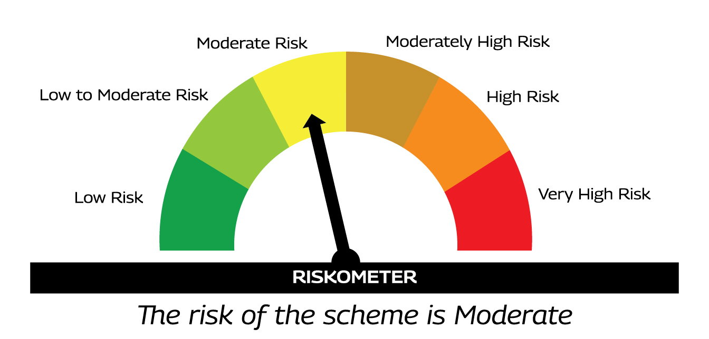 | AS PER AMFI TIER I BENCHMARK I.E. CRISIL LIQUID DEBT A-I INDEX | 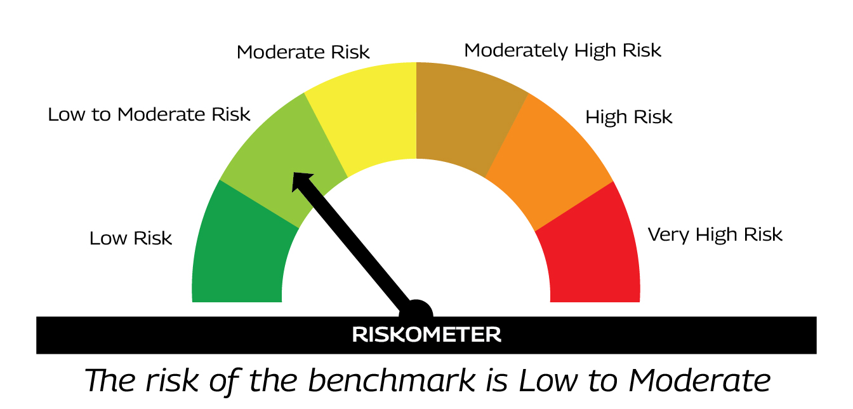
 |  | %Investors should consult their financial advisers if in doubt about whether the product is suitable for them.

MMF02
MMF02 | MAHINDRA MANULIFE MUTUAL FUND
 | Monthly Portfolio Statement as on July 31, 2026
 | Mahindra Manulife ELSS Tax Saver Fund
 | (AN OPEN ENDED EQUITY LINKED SAVING SCHEME WITH A STATUTORY LOCK IN OF 3 YEARS AND TAX BENEFIT)

 | Name of the Instrument | ISIN | Industry* / Rating | Quantity | Market/Fair Value (Rs. in Lakhs) | % to Net Assets | Yield to Maturity
 | Equity & Equity related
 | (a) Listed / awaiting listing on Stock Exchanges
IBCL05 | ICICI Bank Limited | INE090A01021 | Banks | 609,320 | 8,746.18 | 9.67
HDFB03 | HDFC Bank Limited | INE040A01034 | Banks | 847,000 | 6,336.83 | 7.01
BTVL02 | Bharti Airtel Limited | INE397D01024 | Telecom - Services | 202,000 | 3,983.44 | 4.40
BAFL03 | Bajaj Finance Ltd | INE296A01032 | Finance | 308,000 | 3,514.90 | 3.89
RIND01 | Reliance Industries Limited | INE002A01018 | Petroleum Products | 217,500 | 2,844.47 | 3.14
LARS02 | Larsen & Toubro Limited | INE018A01030 | Construction | 65,169 | 2,566.94 | 2.84
INFS02 | Infosys Limited | INE009A01021 | IT - Software | 203,589 | 2,300.76 | 2.54
SAEL02 | TVS Motor Company Limited | INE494B01023 | Automobiles | 51,752 | 2,232.12 | 2.47
HLEL02 | Hindustan Unilever Limited | INE030A01027 | Diversified FMCG | 102,000 | 2,143.33 | 2.37
TCSL01 | Tata Consultancy Services Limited | INE467B01029 | IT - Software | 90,000 | 2,129.04 | 2.35
MAUD01 | Maruti Suzuki India Limited | INE585B01010 | Automobiles | 14,900 | 2,120.87 | 2.34
KOMA03 | Kotak Mahindra Bank Ltd | INE237A01036 | Banks | 510,000 | 1,990.53 | 2.20
UTIB02 | Axis Bank Limited | INE238A01034 | Banks | 156,000 | 1,918.02 | 2.12
AVSP01 | Avenue Supermarts Limited | INE192R01011 | Retailing | 45,000 | 1,764.45 | 1.95
ZMPL01 | Eternal Limited | INE758T01015 | Retailing | 575,000 | 1,739.09 | 1.92
MIIL02 | UNO Minda Limited | INE405E01023 | Auto Components | 146,000 | 1,723.53 | 1.91
IIBL01 | IndusInd Bank Limited | INE095A01012 | Banks | 161,934 | 1,639.50 | 1.81
TEMA02 | Tech Mahindra Limited | INE669C01036 | IT - Software | 93,000 | 1,535.71 | 1.70
SPIL03 | Sun Pharmaceutical Industries Limited | INE044A01036 | Pharmaceuticals & Biotechnology | 73,000 | 1,453.07 | 1.61
TWAT02 | Titan Company Limited | INE280A01028 | Consumer Durables | 29,200 | 1,423.56 | 1.57
MKIP01 | Mankind Pharma Limited | INE634S01028 | Pharmaceuticals & Biotechnology | 56,855 | 1,404.09 | 1.55
TPOW02 | Tata Power Company Limited | INE245A01021 | Power | 352,000 | 1,340.06 | 1.48
IEIN02 | Info Edge India Ltd | INE663F01032 | Retailing | 104,594 | 1,282.58 | 1.42
GODP02 | Godrej Properties Limited | INE484J01027 | Realty | 58,208 | 1,225.69 | 1.36
LAKM02 | Trent Limited | INE849A01020 | Retailing | 40,000 | 1,202.36 | 1.33
INAV01 | InterGlobe Aviation Limited | INE646L01027 | Transport Services | 23,000 | 1,189.33 | 1.31
EIML02 | Eicher Motors Limited | INE066A01021 | Automobiles | 15,000 | 1,175.03 | 1.30
TCAL01 | Tata Capital Limited | INE976I01016 | Finance | 320,909 | 1,172.60 | 1.30
NELA01 | Neuland Laboratories Limited | INE794A01010 | Pharmaceuticals & Biotechnology | 6,000 | 1,142.58 | 1.26
SHTR02 | Shriram Finance Limited | INE721A01047 | Finance | 106,118 | 1,110.74 | 1.23
TELC03 | Tata Motors Passenger Vehicles Limited | INE155A01022 | Automobiles | 308,000 | 1,046.43 | 1.16
DLPL01 | Dr. Lal Path Labs Limited | INE600L01024 | Healthcare Services | 53,133 | 1,012.29 | 1.12
JKCE01 | JK Cement Limited | INE823G01014 | Cement & Cement Products | 18,235 | 992.71 | 1.10
LTIL01 | LTM Limited | INE214T01019 | IT - Software | 22,753 | 992.51 | 1.10
DRRL03 | Dr Reddys Laboratories Limited | INE089A01031 | Pharmaceuticals & Biotechnology | 86,000 | 987.37 | 1.09
NEST02 | Nestle India Limited | INE239A01024 | Food Products | 64,150 | 968.41 | 1.07
FRHL01 | Fortis Healthcare Limited | INE061F01013 | Healthcare Services | 101,415 | 958.37 | 1.06
CGCE01 | Crompton Greaves Consumer Electricals Limited | INE299U01018 | Consumer Durables | 361,000 | 939.32 | 1.04
HALT02 | Hindustan Aeronautics Limited | INE066F01020 | Aerospace & Defense | 20,000 | 929.30 | 1.03
GRIN02 | Grindwell Norton Limited | INE536A01023 | Industrial Products | 43,297 | 917.98 | 1.01
VOLT02 | Voltas Limited | INE226A01021 | Consumer Durables | 68,986 | 916.75 | 1.01
JUIL01 | Jubilant Ingrevia Limited | INE0BY001018 | Chemicals & Petrochemicals | 122,617 | 902.09 | 1.00
AARI02 | Aarti Industries Limited | INE769A01020 | Chemicals & Petrochemicals | 180,000 | 880.38 | 0.97
LTFL01 | L&T Finance Limited | INE498L01015 | Finance | 280,000 | 871.50 | 0.96
MARC02 | Marico Limited | INE196A01026 | Agricultural Food & other Products | 100,000 | 870.65 | 0.96
DOMS01 | Doms Industries Limited | INE321T01012 | Household Products | 38,454 | 869.06 | 0.96
LGEL01 | LG Electronics India Ltd | INE324D01010 | Consumer Durables | 57,605 | 858.60 | 0.95
BINL01 | Indus Towers Limited | INE121J01017 | Telecom - Services | 215,000 | 840.87 | 0.93
GLAX01 | GlaxoSmithKline Pharmaceuticals Limited | INE159A01016 | Pharmaceuticals & Biotechnology | 30,095 | 799.14 | 0.88
HDLI01 | HDFC Life Insurance Company Limited | INE795G01014 | Insurance | 140,000 | 767.90 | 0.85
ARVF01 | Arvind Fashions Limited | INE955V01021 | Retailing | 164,989 | 742.45 | 0.82
BAND01 | Bandhan Bank Limited | INE545U01014 | Banks | 421,408 | 733.80 | 0.81
ELGI02 | Elgi Equipments Limited | INE285A01027 | Industrial Products | 127,025 | 723.60 | 0.80
SUZE02 | Suzlon Energy Limited | INE040H01021 | Electrical Equipment | 1,500,000 | 720.15 | 0.80
CROM02 | CG Power and Industrial Solutions Limited | INE067A01029 | Electrical Equipment | 75,000 | 647.55 | 0.72
 | Sub Total |  |  |  | 88,240.58 | 97.55
 | (b) Unlisted |  |  |  | Nil | Nil
 | Sub Total |  |  |  | Nil | Nil
 | Total |  |  |  | 88,240.58 | 97.55
 | Debt Instruments
 | (a) Listed / awaiting listing on Stock Exchanges
 | Preference Shares
SAEL21PS | 6% TVS Motor Company Limited | INE494B04019 | CARE A1+ | 193,808 | 20.25 | 0.02
 | Sub Total |  |  |  | 20.25 | 0.02
 | (b) Privately placed / Unlisted |  |  |  | Nil | Nil
 | Sub Total |  |  |  | Nil | Nil
 | (c) Securitized Debt Instruments |  |  |  | Nil | Nil
 | Sub Total |  |  |  | Nil | Nil
 | Total |  |  |  | 20.25 | 0.02
 | Money Market Instruments
 | TREPS
TRP_030826 | Triparty Repo |  |  |  | 1,913.09 | 2.12 | 5.26%
 | Sub Total |  |  |  | 1,913.09 | 2.12
 | Total |  |  |  | 1,913.09 | 2.12
 | Margin placed with CCIL & ARCL |  |  |  | 18.52 | 0.02
 | Net Receivables / (Payables) |  |  |  | 255.29 | 0.29
 | Net Receivables / (Payables) |  |  |  | 273.81 | 0.31
 | GRAND TOTAL |  |  |  | 90,447.73 | 100.00

 | * Industry Classification is as recommended by AMFI

 | Notes :
 | (1) The provision made for securities classified as below investment grade or default as of July 31, 2026 is Rs.Nil and its percentage to Net Asset Value is Nil.
 | (2) Aggregate value of illiquid equity shares of the scheme and their percentage to NAV as on July 31, 2026 is Nil.
 | (3) Plan/Option wise Net Assets Value per unit (in Rupees) is as follows:

 | Plan/Option | As on June 30, 2026 | As on July 31, 2026
 | Direct Plan - Growth | 32.2473 | 33.1909
 | Direct Plan - IDCW | 20.3037 | 20.8978
 | Regular Plan - Growth | 27.0997 | 27.8576
 | Regular Plan - IDCW | 16.0467 | 16.4955

 | (4) The Scheme did not declare any Income Distribution cum Capital Withdrawal during the Month ended July 31, 2026.
 | (5) The Scheme did not declare any Bonus during the Month ended July 31, 2026.
 | (6) Total outstanding exposure in derivative instruments as on July 31, 2026 is Nil.
 | (7) Total investments in Foreign Securities / Overseas ETFs / ADRs / GDRs as on July 31, 2026 is Nil.
 | (8) Portfolio Turnover ratio for twelve months ended July 31, 2026 is 0.69 times.
 | (9) The scheme had no Repo transaction in Corporate Debt Securities during Month ended July 31, 2026

 | Scheme Name and Type | Product Labeling | Scheme Riskometer | Scheme Benchmark | Benchmark Riskometer
 |  | This Product is Suitable for investors who are seeking%
 | MAHINDRA MANULIFE ELSS TAX SAVER FUND (AN OPEN ENDED EQUITY LINKED SAVING SCHEME WITH A STATUTORY LOCK IN OF 3 YEARS AND TAX BENEFIT) | . LONG TERM CAPITAL APPRECIATION . INVESTMENT PREDOMINANTLY IN EQUITY AND EQUITY RELATED SECURITIES. | 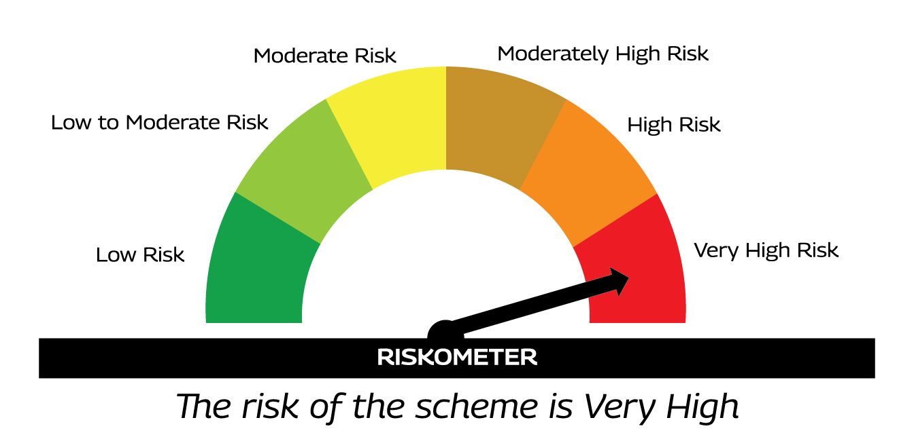 | AS PER AMFI TIER I BENCHMARK I.E. NIFTY 500 TRI | 
 |  | %Investors should consult their financial advisers if in doubt about whether the product is suitable for them.

MMF03
MMF03 | MAHINDRA MANULIFE MUTUAL FUND
 | Monthly Portfolio Statement as on July 31, 2026
 | Mahindra Manulife Equity Savings Fund
 | (AN OPEN ENDED SCHEME INVESTING IN EQUITY, ARBITRAGE AND DEBT)

 | Name of the Instrument | ISIN | Industry* / Rating | Quantity | Market/Fair Value (Rs. in Lakhs) | % to Net Assets | Yield to Maturity
 | Equity & Equity related
 | (a) Listed / awaiting listing on Stock Exchanges
IBCL05 | ICICI Bank Limited | INE090A01021 | Banks | 236,500 | 3,394.72 | 6.34
BAFL03 | Bajaj Finance Ltd | INE296A01032 | Finance | 259,250 | 2,958.56 | 5.53
HDFB03 | HDFC Bank Limited | INE040A01034 | Banks | 317,058 | 2,372.07 | 4.43
GUAM02 | Ambuja Cements Limited | INE079A01024 | Cement & Cement Products | 517,650 | 2,237.28 | 4.18
RIND01 | Reliance Industries Limited | INE002A01018 | Petroleum Products | 159,820 | 2,090.13 | 3.90
SPIL03 | Sun Pharmaceutical Industries Limited | INE044A01036 | Pharmaceuticals & Biotechnology | 97,450 | 1,939.74 | 3.62
MAHI02 | Mahindra & Mahindra Limited | INE101A01026 | Automobiles | 40,400 | 1,372.99 | 2.56
LARS02 | Larsen & Toubro Limited | INE018A01030 | Construction | 26,654 | 1,049.87 | 1.96
CANB02 | Canara Bank | INE476A01022 | Banks | 756,000 | 944.85 | 1.76
BTVL02 | Bharti Airtel Limited | INE397D01024 | Telecom - Services | 44,000 | 867.68 | 1.62
JSPL03 | Jindal Steel Limited | INE749A01030 | Ferrous Metals | 74,375 | 819.91 | 1.53
KOMA03 | Kotak Mahindra Bank Ltd | INE237A01036 | Banks | 194,000 | 757.18 | 1.41
DIVI02 | Divi's Laboratories Limited | INE361B01024 | Pharmaceuticals & Biotechnology | 7,581 | 610.73 | 1.14
SBAI02 | State Bank of India | INE062A01020 | Banks | 54,550 | 560.45 | 1.05
ATVL02 | Aditya Vision Ltd | INE679V01027 | Retailing | 81,600 | 520.65 | 0.97
UTIB02 | Axis Bank Limited | INE238A01034 | Banks | 42,000 | 516.39 | 0.96
SHPI01 | SPR Auto Technologies Ltd | INE526E01018 | Auto Components | 11,149 | 490.02 | 0.92
TWAT02 | Titan Company Limited | INE280A01028 | Consumer Durables | 8,575 | 418.05 | 0.78
TEMA02 | Tech Mahindra Limited | INE669C01036 | IT - Software | 23,900 | 394.66 | 0.74
PSYL02 | Persistent Systems Ltd | INE262H01021 | IT - Software | 6,986 | 387.65 | 0.72
LGBB02 | LG Balakrishnan & Bros Limited | INE337A01034 | Auto Components | 23,761 | 377.42 | 0.70
COFE03 | Coromandel International Limited | INE169A01031 | Fertilizers & Agrochemicals | 17,700 | 367.03 | 0.69
NTPC01 | NTPC Limited | INE733E01010 | Power | 104,539 | 363.01 | 0.68
INOI01 | Inox India Limited | INE616N01034 | Industrial Products | 18,562 | 354.16 | 0.66
PTIN01 | PTC Industries Ltd | INE596F01018 | Industrial Products | 1,764 | 312.88 | 0.58
INFS02 | Infosys Limited | INE009A01021 | IT - Software | 26,831 | 303.22 | 0.57
ZMPL01 | Eternal Limited | INE758T01015 | Retailing | 96,500 | 291.86 | 0.55
SHTR02 | Shriram Finance Limited | INE721A01047 | Finance | 27,000 | 282.61 | 0.53
TISC03 | Tata Steel Limited | INE081A01020 | Ferrous Metals | 146,000 | 276.95 | 0.52
RCAM01 | Nippon Life India Asset Management Limited | INE298J01013 | Capital Markets | 22,000 | 255.51 | 0.48
GLAN02 | Gland Pharma Limited | INE068V01023 | Pharmaceuticals & Biotechnology | 10,200 | 255.30 | 0.48
ABOI01 | Anthem Biosciences Limited | INE0CZ201020 | Pharmaceuticals & Biotechnology | 31,463 | 254.60 | 0.48
GRAS02 | Grasim Industries Limited | INE047A01021 | Cement & Cement Products | 8,180 | 253.65 | 0.47
TECL01 | Technocraft Industries (India) Limited | INE545H01011 | Industrial Products | 9,659 | 249.25 | 0.47
SAEL02 | TVS Motor Company Limited | INE494B01023 | Automobiles | 5,600 | 241.53 | 0.45
HALT02 | Hindustan Aeronautics Limited | INE066F01020 | Aerospace & Defense | 5,000 | 232.33 | 0.43
LTFL01 | L&T Finance Limited | INE498L01015 | Finance | 73,600 | 229.08 | 0.43
MAUD01 | Maruti Suzuki India Limited | INE585B01010 | Automobiles | 1,600 | 227.74 | 0.43
SPAL01 | S. P. Apparels Limited | INE212I01016 | Textiles & Apparels | 22,722 | 225.42 | 0.42
HINI02 | Hindalco Industries Limited | INE038A01020 | Non - Ferrous Metals | 22,800 | 222.17 | 0.41
KIBO03 | Kirloskar Brothers Limited | INE732A01036 | Industrial Products | 11,567 | 216.31 | 0.40
KPRM03 | K.P.R. Mill Limited | INE930H01031 | Textiles & Apparels | 20,567 | 215.91 | 0.40
SLIF01 | SBI Life Insurance Company Limited | INE123W01016 | Insurance | 11,400 | 214.55 | 0.40
PGCI01 | Power Grid Corporation of India Limited | INE752E01010 | Power | 73,000 | 207.50 | 0.39
JKCE01 | JK Cement Limited | INE823G01014 | Cement & Cement Products | 3,810 | 207.42 | 0.39
TTEA02 | Tata Consumer Products Limited | INE192A01025 | Agricultural Food & other Products | 18,840 | 204.06 | 0.38
BKBA02 | Bank of Baroda | INE028A01039 | Banks | 81,900 | 198.69 | 0.37
TMLC01 | Tata Motors Ltd | INE1TAE01010 | Agricultural, Commercial & Construction Vehicles | 45,000 | 196.56 | 0.37
SHCE01 | Shree Cement Limited | INE070A01015 | Cement & Cement Products | 745 | 194.11 | 0.36
OIIL01 | Oil India Limited | INE274J01014 | Oil | 42,000 | 192.61 | 0.36
TPOW02 | Tata Power Company Limited | INE245A01021 | Power | 50,000 | 190.35 | 0.36
ONGC02 | Oil & Natural Gas Corporation Limited | INE213A01029 | Oil | 78,400 | 190.14 | 0.36
UNBI01 | Union Bank of India | INE692A01016 | Banks | 110,000 | 188.36 | 0.35
HLEL02 | Hindustan Unilever Limited | INE030A01027 | Diversified FMCG | 8,900 | 187.02 | 0.35
SIDS02 | ISGEC Heavy Engineering Limited | INE858B01029 | Construction | 22,483 | 185.70 | 0.35
KACE03 | Kajaria Ceramics Limited | INE217B01036 | Consumer Durables | 15,000 | 179.75 | 0.34
BHEL02 | Bharat Electronics Limited | INE263A01024 | Aerospace & Defense | 46,000 | 178.41 | 0.33
INGE01 | Ingersoll Rand (India) Limited | INE177A01018 | Industrial Products | 4,000 | 173.42 | 0.32
ACHI01 | Archean Chemical Industries Limited | INE128X01021 | Chemicals & Petrochemicals | 32,900 | 172.94 | 0.32
ITCL02 | ITC Limited | INE154A01025 | Diversified FMCG | 59,400 | 166.91 | 0.31
GAIL01 | GAIL (India) Limited | INE129A01019 | Gas | 86,375 | 156.72 | 0.29
TEGA01 | Tega Industries Limited | INE011K01018 | Industrial Manufacturing | 6,823 | 101.36 | 0.19
HPEC01 | Hindustan Petroleum Corporation Limited | INE094A01015 | Petroleum Products | 12,150 | 47.35 | 0.09
 | Sub Total |  |  |  | 34,445.45 | 64.33
 | (b) Unlisted |  |  |  | Nil | Nil
 | Sub Total |  |  |  | Nil | Nil
 | Total |  |  |  | 34,445.45 | 64.33
 | InvIT
RIIT01 | Raajmarg Infra Investment Trust | INE2PB023011 | Transport Infrastructure | 292,277 | 340.33 | 0.64
 | Sub Total |  |  |  | 340.33 | 0.64
 | Total |  |  |  | 340.33 | 0.64
 | Reits
BRFI01 | Brookfield India Real Estate Trust | INE0FDU25010 | Realty | 251,180 | 857.73 | 1.60
EOPR01 | Embassy Office Parks REIT | INE041025011 | Realty | 136,077 | 596.00 | 1.11
NXST01 | Nexus Select Trust - REIT | INE0NDH25011 | Realty | 259,747 | 433.52 | 0.81
 | Sub Total |  |  |  | 1,887.25 | 3.52
 | Total |  |  |  | 1,887.25 | 3.52
 | Derivatives
 | Index / Stock Futures
HINIAUG26 | Hindalco Industries Limited August 2026 Future |  | Non - Ferrous Metals | (2,800) | (27.42) | (0.05)
HPECAUG26 | Hindustan Petroleum Corporation Limited August 2026 Future |  | Petroleum Products | (12,150) | (47.60) | (0.09)
BKBAAUG26 | Bank of Baroda August 2026 Future |  | Banks | (81,900) | (199.75) | (0.37)
KMBKAUG26 | Kotak Mahindra Bank Limited August 2026 Future |  | Banks | (96,000) | (375.55) | (0.70)
TWATAUG26 | Titan Company Limited August 2026 Future |  | Consumer Durables | (8,575) | (418.76) | (0.78)
LARSAUG26 | Larsen & Toubro Limited August 2026 Future |  | Construction | (19,250) | (761.20) | (1.42)
JSPLAUG26 | Jindal Steel Limited August 2026 Future |  | Ferrous Metals | (74,375) | (823.03) | (1.54)
CANBAUG26 | Canara Bank August 2026 Future |  | Banks | (756,000) | (947.12) | (1.77)
HDFBAUG26 | HDFC Bank Limited August 2026 Future |  | Banks | (143,650) | (1,080.25) | (2.02)
MAHIAUG26 | Mahindra & Mahindra Limited August 2026 Future |  | Automobiles | (33,400) | (1,136.40) | (2.12)
RINDAUG26 | Reliance Industries Limited August 2026 Future |  | Petroleum Products | (100,000) | (1,311.30) | (2.45)
SPILAUG26 | Sun Pharmaceutical Industries Limited August 2026 Future |  | Pharmaceuticals & Biotechnology | (76,650) | (1,528.09) | (2.85)
IBCLAUG26 | ICICI Bank Limited August 2026 Future |  | Banks | (150,500) | (2,152.60) | (4.02)
GUAMAUG26 | Ambuja Cements Limited August 2026 Future |  | Cement & Cement Products | (517,200) | (2,247.49) | (4.20)
BAFLAUG26 | Bajaj Finance Limited August 2026 Future |  | Finance | (227,250) | (2,601.56) | (4.86)
 | Sub Total |  |  |  | (15,658.12) | (29.24)
 | Total |  |  |  | (15,658.12) | (29.24)
 | Debt Instruments
 | (a) Listed / awaiting listing on Stock Exchanges
BHAT86 | 7.4% Bharti Telecom Limited 2029 ** | INE403D08298 | CRISIL AAA | 2,000,000 | 1,967.28 | 3.67 | 8.12%
RECL355 | 8.37% REC Limited 2028 ** | INE020B08BH6 | CRISIL AAA | 1,000,000 | 1,025.35 | 1.92 | 7.30%
GOI7629 | 6.94% Government of India 2036 | IN0020260025 | SOVEREIGN | 1,000,000 | 1,007.70 | 1.88 | 6.95%
NBAR796 | 7.44% National Bank For Agriculture and Rural Development 2028 ** | INE261F08EK5 | CRISIL AAA | 1,000,000 | 999.71 | 1.87 | 7.42%
CHOL1128 | 8.12% Cholamandalam Investment and Finance Company Ltd 2029 (FRN) ** | INE121A07SU3 | ICRA AA+ | 1,000,000 | 999.10 | 1.87 | 8.67%
MUFL497 | 8.58% Muthoot Finance Limited 2029 (FRN) | INE414G07JZ7 | CRISIL AA+ | 700,000 | 700.36 | 1.31 | 9.50%
TVCS104 | 9.30% TVS Credit Services Limited 2029 ** | INE729N08105 | ICRA AA+ | 500,000 | 512.98 | 0.96 | 8.25%
NBAR406 | 8.20% National Bank For Agriculture and Rural Development 2028 | INE261F08AE6 | CRISIL AAA | 500,000 | 506.95 | 0.95 | 7.40%
BHAT76 | 8.75% Bharti Telecom Limited 2028 ** | INE403D08256 | CRISIL AAA | 500,000 | 506.70 | 0.95 | 8.07%
GOI6306 | 6.75% Government of India 2029 | IN0020240183 | SOVEREIGN | 500,000 | 505.14 | 0.94 | 6.51%
SIDB543 | 7.75% Small Industries Dev Bank of India 2027 ** | INE556F08KN9 | CRISIL AAA | 500,000 | 501.59 | 0.94 | 7.35%
POWF546 | 7.45% Power Finance Corporation Limited 2028 ** | INE134E08NP7 | CRISIL AAA | 500,000 | 501.16 | 0.94 | 7.31%
NBAR838 | 7.48% National Bank For Agriculture and Rural Development 2028 | INE261F08EO7 | CRISIL AAA | 500,000 | 500.33 | 0.93 | 7.43%
SIDB573 | 7.34% Small Industries Dev Bank of India 2029 ** | INE556F08KS8 | CRISIL AAA | 500,000 | 498.68 | 0.93 | 7.47%
GOSL384 | 8.42% Godrej Industries Limited 2027 ** | INE233A08139 | CRISIL AA+ | 350,000 | 351.72 | 0.66 | 7.98%
PFPL130 | 9.12% Piramal Finance Limited 2027 ** | INE140A07831 | CARE AA+ | 300,000 | 301.86 | 0.56 | 8.46%
GOI5537 | 7.63% State Government Securities 2036 | IN2220230204 | SOVEREIGN | 250,000 | 253.34 | 0.47 | 7.57%
GOI6889 | 6.68% Government of India 2040 | IN0020250042 | SOVEREIGN | 250,000 | 242.62 | 0.45 | 7.14%
GOI6638 | 6.9% Government of India 2065 | IN0020250018 | SOVEREIGN | 250,000 | 228.57 | 0.43 | 7.73%
 | Sub Total |  |  |  | 12,111.14 | 22.63
 | (b) Privately placed / Unlisted |  |  |  | Nil | Nil
 | Sub Total |  |  |  | Nil | Nil
 | (c) Securitized Debt Instruments |  |  |  | Nil | Nil
 | Sub Total |  |  |  | Nil | Nil
 | Total |  |  |  | 12,111.14 | 22.63
 | Money Market Instruments
 | Treasury Bill/Cash Management Bill
TBIL2659 | 364 Days Tbill 2027 | IN002026Z078 | SOVEREIGN | 1,500,000 | 1,435.46 | 2.68 | 5.62%
TBIL2579 | 364 Days Tbill 2026 | IN002025Z302 | SOVEREIGN | 500,000 | 494.02 | 0.92 | 5.32%
 | Sub Total |  |  |  | 1,929.48 | 3.60
 | Certificate of Deposit
CANB1068 | Canara Bank 2026 ** # | INE476A16E38 | CRISIL A1+ | 200,000 | 196.25 | 0.37 | 6.84%
 | Sub Total |  |  |  | 196.25 | 0.37
 | TREPS
TRP_030826 | Triparty Repo |  |  |  | 1,480.77 | 2.77 | 5.26%
 | Sub Total |  |  |  | 1,480.77 | 2.77
 | Total |  |  |  | 3,606.50 | 6.74
 | Mutual Fund Units
139538 | Mahindra Manulife Liquid Fund -Direct Plan -Growth | INF174V01044 |  | 28,975.559 | 532.12 | 0.99
 | Sub Total |  |  |  | 532.12 | 0.99
 | Total |  |  |  | 532.12 | 0.99
 | Margin placed with CCIL & ARCL |  |  |  | 44.68 | 0.08
 | Net Receivables / (Payables) |  |  |  | 16,232.94 | 30.31
 | Net Receivables / (Payables) |  |  |  | 16,277.61 | 30.39
 | GRAND TOTAL |  |  |  | 53,542.28 | 100.00

 | FRN - Floating Rate Note
 | * Industry Classification is as recommended by AMFI
 | ** Non Traded Security Classification for Traded or Non Traded instruments are done on the basis of information provided by CRISIL and ICRA for last business day.
 | # Unlisted Security

 | Notes :
 | (1) The provision made for securities classified as below investment grade or default as of July 31, 2026 is Rs.Nil and its percentage to Net Asset Value is Nil.
 | (2) Aggregate value of illiquid equity shares of the scheme and their percentage to NAV as on July 31, 2026 is Nil.
 | (3) Plan/Option wise Net Assets Value per unit (in Rupees) is as follows:

 | Plan/Option | As on June 30, 2026 | As on July 31, 2026
 | Direct Plan - Growth | 25.3610 | 25.6277
 | Direct Plan - Quarterly IDCW | 17.6763 | 17.6101
 | Regular Plan - Growth | 21.3991 | 21.5953
 | Regular Plan - Quarterly IDCW | 14.2136 | 14.0922

 | (4) The Scheme did not declare any Income Distribution cum Capital Withdrawal during the Month ended July 31, 2026.
 | (5) The Scheme did not declare any Bonus during the Month ended July 31, 2026.
 | (6) Total outstanding exposure in derivative instruments as on July 31, 2026 is Rs.-15658.12 Lakhs. For detailed disclosure on derivatives, please refer the details given below:
 | (7) Total investments in Foreign Securities / Overseas ETFs / ADRs / GDRs as on July 31, 2026 is Nil.
 | (8) Portfolio Turnover ratio for twelve months ended July 31, 2026 is 4.06 times.
 | (9) The scheme had no Repo transaction in Corporate Debt Securities during Month ended July 31, 2026

 | Portfolio disclosure for derivative positions

 | A. Hedging Positions through Futures as on July 31, 2026

 | Scheme | Underlying | Long / Short | Futures Price when purchased | Current price of the contract | Margin maintained (Rs. in Lakhs)
 | Mahindra Manulife Equity Savings Fund | Bajaj Finance Limited | Short | 1,039.47 | 1,144.80 | 509.54
 | Mahindra Manulife Equity Savings Fund | Bank of Baroda | Short | 247.78 | 243.90 | 38.91
 | Mahindra Manulife Equity Savings Fund | Canara Bank | Short | 127.58 | 125.28 | 243.45
 | Mahindra Manulife Equity Savings Fund | Ambuja Cements Limited | Short | 433.84 | 434.55 | 771.77
 | Mahindra Manulife Equity Savings Fund | HDFC Bank Limited | Short | 745.84 | 752.00 | 190.67
 | Mahindra Manulife Equity Savings Fund | Hindalco Industries Limited | Short | 952.35 | 979.40 | 5.23
 | Mahindra Manulife Equity Savings Fund | Hindustan Petroleum Corporation Limited | Short | 394.10 | 391.80 | 10.95
 | Mahindra Manulife Equity Savings Fund | ICICI Bank Limited | Short | 1,429.35 | 1,430.30 | 382.60
 | Mahindra Manulife Equity Savings Fund | Jindal Steel Limited | Short | 1,068.70 | 1,106.60 | 158.08
 | Mahindra Manulife Equity Savings Fund | Kotak Mahindra Bank Limited | Short | 386.88 | 391.20 | 66.43
 | Mahindra Manulife Equity Savings Fund | Larsen & Toubro Limited | Short | 3,846.78 | 3,954.30 | 134.49
 | Mahindra Manulife Equity Savings Fund | Mahindra & Mahindra Limited | Short | 3,197.77 | 3,402.40 | 216.15
 | Mahindra Manulife Equity Savings Fund | Reliance Industries Limited | Short | 1,289.00 | 1,311.30 | 231.91
 | Mahindra Manulife Equity Savings Fund | Sun Pharmaceutical Industries Limited | Short | 1,961.29 | 1,993.60 | 270.49
 | Mahindra Manulife Equity Savings Fund | Titan Company Limited | Short | 4,732.16 | 4,883.50 | 74.12

 | Total exposure due to futures (hedging positions) as a %age of net assets : -29.24%

 | For the period ended July 31, 2026 following details specified for hedging transactions through futures which have been squared off/expired:
 | Scheme | Total Number of Contracts where futures were bought | Total Number of Contracts where futures were sold | Gross Notional Value of contracts where futures were bought (in Rs.) | Gross Notional Value of contracts where futures were sold (in Rs.) | Net Profit/(Loss) value on all contracts combined (in Rs.)
 | Mahindra Manulife Equity Savings Fund | 2232 | - | 1,518,236,142.690 | - | (3,122,861.40)

 | B. Other than Hedging Positions through Futures as on July 31, 2026
 | Scheme | Underlying | Long / Short | Futures Price when purchased | Current price of the contract | Margin maintained (Rs. Lakhs)
 | NIL
 | Total exposure due to futures (non hedging positions) as a %age of net assets : Nil

 | For the period ended July 31, 2026 following details specified for other than hedging transactions through futures which have been squared off/expired:
 | Scheme | Total Number of Contracts where futures were bought | Total Number of Contracts where futures were sold | Gross Notional Value of contracts where futures were bought (in Rs.) | Gross Notional Value of contracts where futures were sold (in Rs.) | Net Profit/(Loss) value on all contracts combined (in Rs.)
 | NIL

 | C. Hedging Positions through Put Options as on July 31, 2026
 | Scheme Name | Underlying | Number of Contracts | Option Price when purchased | Current Option Price
 | NIL
 | Total %age of existing assets hedged through put options : Nil

 | For the period ended July 31, 2026, hedging transactions through options which have been squared off/expired :
 | Scheme Name | Total Number of contracts entered into | Gross Notional Value of contracts (in Rs.) | Net Profit/(Loss) value on all contracts ( in Rs.)
 | NIL

 | D. Other than Hedging Positions through Options as on July 31, 2026
 | Scheme Name | Underlying | Call / put | Number of contracts | Option Price when purchased | Current Price
 | NIL
 | Total Exposure through options as a %age of net assets : Nil

 | For the period ended July 31, 2026 details of non-hedging transactions through options which have already been exercised/expired are as under.
 | Scheme Name | Total Number of contracts entered into | Gross Notional Value of contracts (in Rs.) | Net Profit/(Loss) value on all contracts ( in Rs.)
 | Nil

 | E. Hedging Positions through swaps as on July 31, 2026
 | Scheme | Total Number of contracts entered into | Gross Notional Value of contracts (Rs. In Lakhs) |  | Net Profit/(Loss) value on all contracts ( in Rs.)
 | NIL

 | For the period ended July 31, 2026 there were Nil swaps.

 | F. Hedging Positions through writing of Covered Call Options as on July 31, 2026
 | Scheme Name | Underlying | Number of Contracts | % of underlying shares | Option Price when sold | Margin maintained in Rs. Lakhs
 | Nil
 | Call options written as % to total market value of equity shares held in the scheme : Nil

 | For the period ended July 31, 2026 details of covered call options written which have been exercised / expired are as under.
 | Scheme Name | Total number of contracts entered into | Gross Notional Value of contracts (in Rs.) | Net Profit/(Loss) value on all contracts (in Rs.)
 | Nil

 | Scheme Name and Type | Product Labeling | Scheme Riskometer | Scheme Benchmark | Benchmark Riskometer
 |  | This Product is Suitable for investors who are seeking %
 | MAHINDRA MANULIFE EQUITY SAVINGS FUND (AN OPEN ENDED SCHEME INVESTING IN EQUITY, ARBITRAGE AND DEBT) | . LONG TERM CAPITAL APPRECIATION AND GENERATION OF INCOME . INVESTMENT IN EQUITY AND EQUITY RELATED INSTRUMENTS, ARBITRAGE OPPORTUNITIES AND DEBT AND MONEY MARKET INSTRUMENTS. | 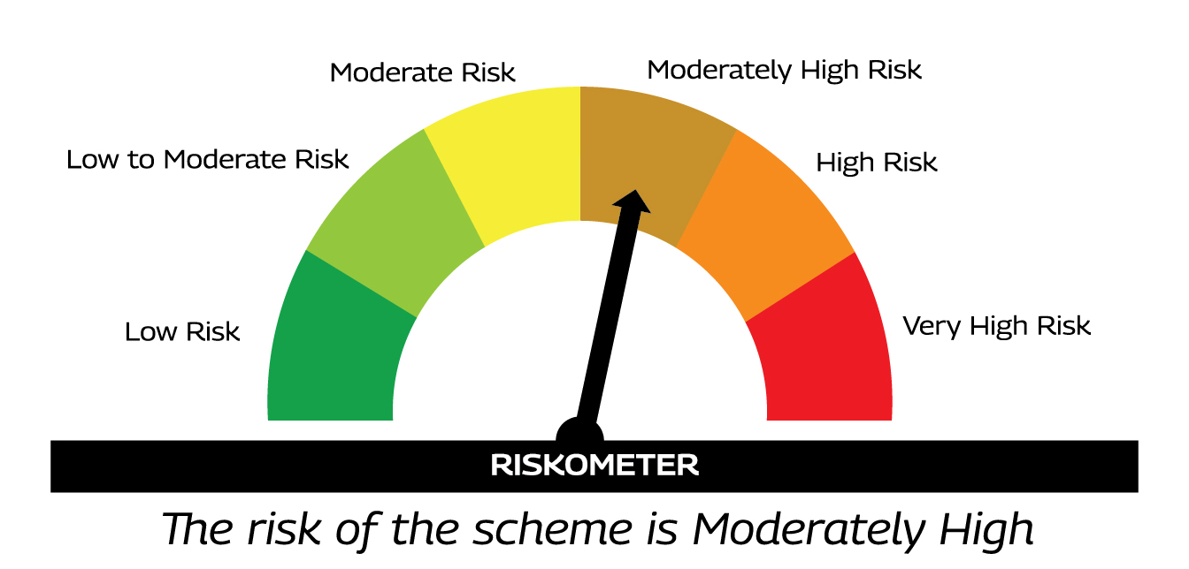 | AS PER AMFI TIER I BENCHMARK I.E. NIFTY EQUITY SAVINGS TRI | 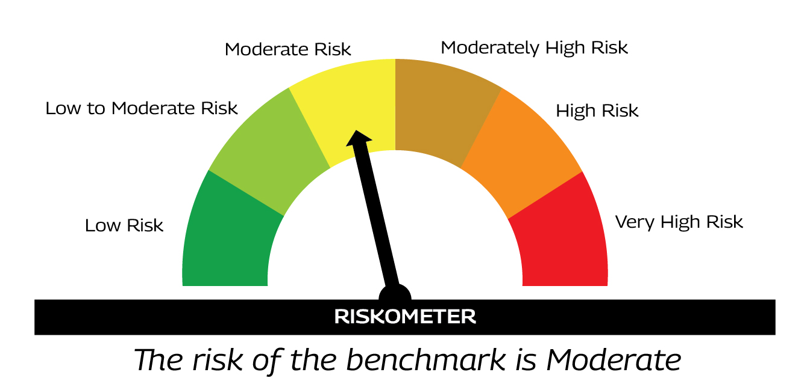
 |  | % Investors should consult their financial advisers if in doubt about whether the product is suitable for them.

MMF11
MMF11 | MAHINDRA MANULIFE MUTUAL FUND
 | Monthly Portfolio Statement as on July 31, 2026
 | Mahindra Manulife Aggressive Hybrid Fund
 | (AN OPEN ENDED HYBRID SCHEME INVESTING PREDOMINANTLY IN EQUITY AND EQUITY RELATED INSTRUMENTS)

 | Name of the Instrument | ISIN | Industry* / Rating | Quantity | Market/Fair Value (Rs. in Lakhs) | % to Net Assets | Yield to Maturity
 | Equity & Equity related
 | (a) Listed / awaiting listing on Stock Exchanges
IBCL05 | ICICI Bank Limited | INE090A01021 | Banks | 1,052,000 | 15,100.41 | 5.73
HDFB03 | HDFC Bank Limited | INE040A01034 | Banks | 1,624,432 | 12,153.19 | 4.61
RIND01 | Reliance Industries Limited | INE002A01018 | Petroleum Products | 547,000 | 7,153.67 | 2.72
BTVL02 | Bharti Airtel Limited | INE397D01024 | Telecom - Services | 339,000 | 6,685.08 | 2.54
KOMA03 | Kotak Mahindra Bank Ltd | INE237A01036 | Banks | 1,692,500 | 6,605.83 | 2.51
BFSL02 | Bajaj Finserv Limited | INE918I01026 | Finance | 289,000 | 5,864.10 | 2.23
INFS02 | Infosys Limited | INE009A01021 | IT - Software | 494,495 | 5,588.29 | 2.12
ADTL01 | Adani Energy Solutions Limited | INE931S01010 | Power | 298,000 | 4,903.29 | 1.86
UTIB02 | Axis Bank Limited | INE238A01034 | Banks | 388,765 | 4,779.87 | 1.81
LARS02 | Larsen & Toubro Limited | INE018A01030 | Construction | 113,534 | 4,471.99 | 1.70
KEII02 | KEI Industries Limited | INE878B01027 | Industrial Products | 85,951 | 4,296.69 | 1.63
IIBL01 | IndusInd Bank Limited | INE095A01012 | Banks | 420,692 | 4,259.30 | 1.62
ADAN02 | Adani Enterprises Limited | INE423A01024 | Metals & Minerals Trading | 130,030 | 3,913.25 | 1.49
DIXO02 | Dixon Technologies (India) Limited | INE935N01020 | Consumer Durables | 27,700 | 3,891.57 | 1.48
ZMPL01 | Eternal Limited | INE758T01015 | Retailing | 1,280,000 | 3,871.36 | 1.47
SAEL02 | TVS Motor Company Limited | INE494B01023 | Automobiles | 80,023 | 3,451.47 | 1.31
SPIL03 | Sun Pharmaceutical Industries Limited | INE044A01036 | Pharmaceuticals & Biotechnology | 172,000 | 3,423.66 | 1.30
MAHI02 | Mahindra & Mahindra Limited | INE101A01026 | Automobiles | 100,000 | 3,398.50 | 1.29
AVSP01 | Avenue Supermarts Limited | INE192R01011 | Retailing | 85,500 | 3,352.46 | 1.27
COCH02 | Cochin Shipyard Limited | INE704P01025 | Industrial Manufacturing | 234,476 | 3,336.59 | 1.27
LAKM02 | Trent Limited | INE849A01020 | Retailing | 108,000 | 3,246.37 | 1.23
MIIL02 | UNO Minda Limited | INE405E01023 | Auto Components | 271,097 | 3,200.30 | 1.22
MARC02 | Marico Limited | INE196A01026 | Agricultural Food & other Products | 363,000 | 3,160.46 | 1.20
MAHE01 | Max Healthcare Institute Limited | INE027H01010 | Healthcare Services | 250,000 | 2,746.25 | 1.04
KAVY06 | Karur Vysya Bank Limited | INE036D01028 | Banks | 800,000 | 2,739.60 | 1.04
ASTP04 | Astral Limited | INE006I01046 | Industrial Products | 184,713 | 2,675.75 | 1.02
SRFL01 | SRF Limited | INE647A01010 | Chemicals & Petrochemicals | 99,500 | 2,609.39 | 0.99
TEMA02 | Tech Mahindra Limited | INE669C01036 | IT - Software | 156,000 | 2,576.03 | 0.98
TCAL01 | Tata Capital Limited | INE976I01016 | Finance | 700,345 | 2,559.06 | 0.97
INAV01 | InterGlobe Aviation Limited | INE646L01027 | Transport Services | 49,000 | 2,533.79 | 0.96
SHTR02 | Shriram Finance Limited | INE721A01047 | Finance | 235,481 | 2,464.78 | 0.94
HAIL03 | Havells India Limited | INE176B01034 | Consumer Durables | 189,400 | 2,387.77 | 0.91
IIFM02 | 360 One WAM Limited | INE466L01038 | Capital Markets | 208,000 | 2,361.42 | 0.90
FEDB01 | Fedbank Financial Services Ltd | INE007N01010 | Finance | 1,500,000 | 2,307.45 | 0.88
HDBF01 | HDB Financial Services Limited | INE756I01012 | Finance | 335,965 | 2,305.90 | 0.88
DIVI02 | Divi's Laboratories Limited | INE361B01024 | Pharmaceuticals & Biotechnology | 28,600 | 2,304.02 | 0.87
ESCO01 | Escorts Kubota Limited | INE042A01014 | Agricultural, Commercial & Construction Vehicles | 74,293 | 2,292.68 | 0.87
NMDC01 | NMDC Limited | INE584A01023 | Minerals & Mining | 2,650,000 | 2,253.56 | 0.86
BELR01 | Belrise Industries Ltd. | INE894V01022 | Auto Components | 944,055 | 2,234.86 | 0.85
TGWL02 | Titagarh Rail Systems Limited | INE615H01020 | Industrial Manufacturing | 268,894 | 2,218.91 | 0.84
MKIP01 | Mankind Pharma Limited | INE634S01028 | Pharmaceuticals & Biotechnology | 87,000 | 2,148.55 | 0.82
DRRL03 | Dr Reddys Laboratories Limited | INE089A01031 | Pharmaceuticals & Biotechnology | 187,000 | 2,146.95 | 0.82
TPOW02 | Tata Power Company Limited | INE245A01021 | Power | 557,069 | 2,120.76 | 0.81
TWAT02 | Titan Company Limited | INE280A01028 | Consumer Durables | 41,500 | 2,023.21 | 0.77
PIDI02 | Pidilite Industries Limited | INE318A01026 | Chemicals & Petrochemicals | 123,002 | 1,982.05 | 0.75
BRIT03 | Britannia Industries Limited | INE216A01030 | Food Products | 36,240 | 1,962.94 | 0.75
MAXI02 | Max Financial Services Limited | INE180A01020 | Insurance | 130,000 | 1,948.70 | 0.74
GODP02 | Godrej Properties Limited | INE484J01027 | Realty | 85,000 | 1,789.85 | 0.68
RATN01 | RBL Bank Limited | INE976G01028 | Banks | 450,000 | 1,689.75 | 0.64
AARI02 | Aarti Industries Limited | INE769A01020 | Chemicals & Petrochemicals | 345,000 | 1,687.40 | 0.64
KPRM03 | K.P.R. Mill Limited | INE930H01031 | Textiles & Apparels | 159,301 | 1,672.34 | 0.63
GRIN02 | Grindwell Norton Limited | INE536A01023 | Industrial Products | 76,592 | 1,623.90 | 0.62
CHEL02 | Zydus Lifesciences Limited | INE010B01027 | Pharmaceuticals & Biotechnology | 143,877 | 1,621.21 | 0.62
LGEL01 | LG Electronics India Ltd | INE324D01010 | Consumer Durables | 107,810 | 1,606.91 | 0.61
DLPL01 | Dr. Lal Path Labs Limited | INE600L01024 | Healthcare Services | 83,228 | 1,585.66 | 0.60
SUZE02 | Suzlon Energy Limited | INE040H01021 | Electrical Equipment | 3,000,000 | 1,440.30 | 0.55
CROM02 | CG Power and Industrial Solutions Limited | INE067A01029 | Electrical Equipment | 160,000 | 1,381.44 | 0.52
BAND01 | Bandhan Bank Limited | INE545U01014 | Banks | 792,816 | 1,380.53 | 0.52
ARVF01 | Arvind Fashions Limited | INE955V01021 | Retailing | 200,655 | 902.95 | 0.34
KENI01 | Kirloskar Oil Engines Limited | INE146L01010 | Industrial Products | 40,000 | 875.92 | 0.33
 | Sub Total |  |  |  | 195,270.24 | 74.17
 | (b) Unlisted |  |  |  | Nil | Nil
 | Sub Total |  |  |  | Nil | Nil
 | Total |  |  |  | 195,270.24 | 74.17
 | Reits
BRFI01 | Brookfield India Real Estate Trust | INE0FDU25010 | Realty | 663,450 | 2,265.55 | 0.86
EOPR01 | Embassy Office Parks REIT | INE041025011 | Realty | 249,200 | 1,091.47 | 0.41
NXST01 | Nexus Select Trust - REIT | INE0NDH25011 | Realty | 286,208 | 477.68 | 0.18
 | Sub Total |  |  |  | 3,834.70 | 1.45
 | Total |  |  |  | 3,834.70 | 1.45
 | Debt Instruments
 | (a) Listed / awaiting listing on Stock Exchanges
GOI7118 | 7.2% State Government Securities 2036 | IN2220250343 | SOVEREIGN | 3,500,000 | 3,442.16 | 1.31 | 7.57%
GOI6889 | 6.68% Government of India 2040 | IN0020250042 | SOVEREIGN | 2,850,000 | 2,765.84 | 1.05 | 7.14%
BHAT76 | 8.75% Bharti Telecom Limited 2028 ** | INE403D08256 | CRISIL AAA | 2,700,000 | 2,736.17 | 1.04 | 8.07%
GOI6960 | 7.24% Government of India 2055 | IN0020250075 | SOVEREIGN | 2,500,000 | 2,432.70 | 0.92 | 7.61%
CHOL1128 | 8.12% Cholamandalam Investment and Finance Company Ltd 2029 (FRN) ** | INE121A07SU3 | ICRA AA+ | 2,000,000 | 1,998.19 | 0.76 | 8.67%
NBAR867 | 6.85% National Bank For Agriculture and Rural Development 2029 ** | INE261F08EQ2 | ICRA AAA | 2,000,000 | 1,973.46 | 0.75 | 7.43%
TVCS103 | 8.85% TVS Credit Services Limited 2027 ** | INE729N08063 | CRISIL AA+ | 1,500,000 | 1,508.14 | 0.57 | 8.17%
EOPR34 | 7.73% Embassy Office Parks REIT 2029 ** | INE041007159 | CRISIL AAA | 1,500,000 | 1,504.84 | 0.57 | 7.84%
SIDB534 | 7.79% Small Industries Dev Bank of India 2027 ** | INE556F08KK5 | CRISIL AAA | 1,500,000 | 1,504.77 | 0.57 | 7.35%
IIFW363 | 9.15% 360 One Prime Limited 2029 ** | INE248U07GK8 | ICRA AA | 1,500,000 | 1,500.85 | 0.57 | 9.11%
THDC197 | 7.51% Tata Housing Development Company Limited 2028 ** | INE582L08078 | CARE AA | 1,500,000 | 1,485.96 | 0.56 | 7.93%
GOI6638 | 6.9% Government of India 2065 | IN0020250018 | SOVEREIGN | 1,250,000 | 1,142.87 | 0.43 | 7.73%
NBAR741 | 7.8% National Bank For Agriculture and Rural Development 2027 ** | INE261F08EF5 | ICRA AAA | 1,100,000 | 1,102.42 | 0.42 | 7.22%
LICH666 | 7.8350% LIC Housing Finance Limited 2027 | INE115A07QO2 | CRISIL AAA | 1,100,000 | 1,101.96 | 0.42 | 7.46%
GOSL384 | 8.42% Godrej Industries Limited 2027 ** | INE233A08139 | CRISIL AA+ | 1,000,000 | 1,004.92 | 0.38 | 7.98%
MUFL433 | 8.9% Muthoot Finance Limited 2027 ** | INE414G07JI3 | CRISIL AA+ | 1,000,000 | 1,004.28 | 0.38 | 8.45%
GOSL357 | 8.40% Godrej Industries Limited 2027 ** | INE233A08113 | CRISIL AA+ | 1,000,000 | 1,003.99 | 0.38 | 7.98%
MUFL457 | 8.52% Muthoot Finance Limited 2028 ** | INE414G07JN3 | CRISIL AA+ | 1,000,000 | 999.25 | 0.38 | 8.52%
EOPR38 | 7.21% Embassy Office Parks REIT 2028 ** | INE041007167 | CRISIL AAA | 1,000,000 | 994.42 | 0.38 | 7.79%
BHAT86 | 7.4% Bharti Telecom Limited 2029 ** | INE403D08298 | CRISIL AAA | 1,000,000 | 983.64 | 0.37 | 8.12%
TVCS104 | 9.30% TVS Credit Services Limited 2029 ** | INE729N08105 | ICRA AA+ | 800,000 | 820.76 | 0.31 | 8.25%
NBAR475 | 8.18% National Bank For Agriculture and Rural Development 2028 ** | INE261F08AX6 | CRISIL AAA | 500,000 | 509.51 | 0.19 | 7.43%
MUFL423 | 9.02% Muthoot Finance Limited 2027 ** | INE414G07JF9 | CRISIL AA+ | 500,000 | 502.61 | 0.19 | 8.39%
SIDB553 | 7.68% Small Industries Dev Bank of India 2027 | INE556F08KP4 | CRISIL AAA | 500,000 | 501.08 | 0.19 | 7.45%
LICH686 | 7.74% LIC Housing Finance Limited 2027 ** | INE115A07QZ8 | CRISIL AAA | 500,000 | 500.91 | 0.19 | 7.54%
GODP225 | 8.30% Godrej Properties Limited 2027 ** | INE484J08055 | ICRA AA+ | 300,000 | 301.22 | 0.11 | 7.68%
DHFL424 | 8.75% Piramal Finance Limited 2027 ** | INE202B07JW4 | ICRA AA+ | 300,000 | 300.73 | 0.11 | 8.47%
IIFW361 | 9.2% 360 One Prime Limited 2028 (FRN) ** | INE248U07GJ0 | ICRA AA | 250,000 | 250.23 | 0.10 | 9.87%
SUFI768 | 7.05% Sundaram Finance Limited 2028 ** | INE660A07SA2 | ICRA AAA | 250,000 | 246.76 | 0.09 | 7.70%
BHFL139 | 7.08% Bajaj Housing Finance Limited 2030 ** | INE377Y07573 | CRISIL AAA | 250,000 | 245.07 | 0.09 | 7.68%
IIFW285 | 9.61% 360 One Prime Limited 2027 ** | INE248U07EW8 | CRISIL AA | 200,000 | 200.69 | 0.08 | 8.41%
 | Preference Shares
SAEL21PS | 6% TVS Motor Company Limited | INE494B04019 | CARE A1+ | 248,292 | 25.95 | 0.01
 | Sub Total |  |  |  | 36,596.35 | 13.87
 | (b) Privately placed / Unlisted |  |  |  | Nil | Nil
 | Sub Total |  |  |  | Nil | Nil
 | (c) Securitized Debt Instruments |  |  |  | Nil | Nil
 | Sub Total |  |  |  | Nil | Nil
 | Total |  |  |  | 36,596.35 | 13.87
 | Money Market Instruments
 | Certificate of Deposit
KMBK897 | Kotak Mahindra Bank Limited 2027 ** # | INE237AD6141 | CRISIL A1+ | 1,000,000 | 964.40 | 0.37 | 6.91%
SIDB630 | Small Industries Dev Bank of India 2026 ** # | INE556F16BR2 | CARE A1+ | 700,000 | 686.71 | 0.26 | 7.00%
 | Sub Total |  |  |  | 1,651.11 | 0.63
 | Commercial Paper
 | (a) Listed / awaiting listing on Stock Exchange
ICBR689 | ICICI Securities Limited 2026 ** | INE763G14K53 | CRISIL A1+ | 5,000,000 | 4,962.91 | 1.88 | 6.82%
AXSL144 | Axis Securities Limited 2026 ** | INE110O14IN9 | CRISIL A1+ | 2,500,000 | 2,489.09 | 0.95 | 6.67%
ICBR684 | ICICI Securities Limited 2026 ** | INE763G14J98 | CRISIL A1+ | 2,500,000 | 2,484.68 | 0.94 | 6.82%
RECL489 | REC Limited 2026 ** | INE020B14714 | CRISIL A1+ | 2,500,000 | 2,462.25 | 0.93 | 6.82%
DSFP40 | DSP Finance Private Limited 2026 ** | INE422H14453 | CRISIL A1+ | 1,000,000 | 996.62 | 0.38 | 6.88%
JMMS409 | JM Financial Services Limited 2027 ** | INE012I14SG2 | CRISIL A1+ | 600,000 | 577.48 | 0.22 | 8.18%
 | Sub Total |  |  |  | 13,973.03 | 5.30
 | TREPS
TRP_030826 | Triparty Repo |  |  |  | 10,159.62 | 3.86 | 5.26%
 | Sub Total |  |  |  | 10,159.62 | 3.86
 | Total |  |  |  | 25,783.76 | 9.79
 | Margin placed with CCIL & ARCL |  |  |  | 148.41 | 0.06
 | Net Receivables / (Payables) |  |  |  | 1,755.89 | 0.66
 | Net Receivables / (Payables) |  |  |  | 1,904.29 | 0.72
 | GRAND TOTAL |  |  |  | 263,389.34 | 100.00

 | FRN - Floating Rate Note
 | * Industry Classification is as recommended by AMFI
 | ** Non Traded Security Classification for Traded or Non Traded instruments are done on the basis of information provided by CRISIL and ICRA for last business day.
 | # Unlisted Security

 | Notes :
 | (1) The provision made for securities classified as below investment grade or default as of July 31, 2026 is Rs.Nil and its percentage to Net Asset Value is Nil.
 | (2) Aggregate value of illiquid equity shares of the scheme and their percentage to NAV as on July 31, 2026 is Nil.
 | (3) Plan/Option wise Net Assets Value per unit (in Rupees) is as follows:

 | Plan/Option | As on June 30, 2026 | As on July 31, 2026
 | Direct Plan - Growth | 30.0479 | 30.5850
 | Direct Plan - Monthly IDCW | 20.9613 | 21.1526
 | Regular Plan - Growth | 26.5799 | 27.0227
 | Regular Plan - Monthly IDCW | 17.9332 | 18.0486

 | (4) Details of Income Distribution cum Capital Withdrawal ('IDCW') declared per unit during the Month ended July 31, 2026 is as follows:

 | Plan / Option | IDCW per Unit (in Rupees)
 |  | Individual & HUF | Others
 | Regular Plan - Monthly IDCW | 0.18 | 0.18
 | Direct Plan - Monthly IDCW | 0.18 | 0.18
 | After distribution of IDCW, the NAV falls to the extent of IDCW and statutory levy, if any. For complete details of IDCW history, please visit www.mahindramanulife.com

 | (5) The Scheme did not declare any Bonus during the Month ended July 31, 2026.
 | (6) Total outstanding exposure in derivative instruments as on July 31, 2026 is Nil.
 | (7) Total investments in Foreign Securities / Overseas ETFs / ADRs / GDRs as on July 31, 2026 is Nil.
 | (8) Portfolio Turnover ratio for twelve months ended July 31, 2026 is 0.77 times.
 | (9) The scheme had no Repo transaction in Corporate Debt Securities during Month ended July 31, 2026

 | Scheme Name and Type | Product Labeling | Scheme Riskometer | Scheme Benchmark | Benchmark Riskometer
 |  | This Product is Suitable for investors who are seeking%
 | MAHINDRA MANULIFE AGGRESSIVE HYBRID FUND (AN OPEN ENDED HYBRID SCHEME INVESTING PREDOMINANTLY IN EQUITY AND EQUITY RELATED INSTRUMENTS) | . LONG TERM CAPITAL APPRECIATION AND GENERATION OF INCOME . INVESTMENT IN EQUITY AND EQUITY RELATED INSTRUMENTS AND DEBT AND MONEY MARKET INSTRUMENTS |  | AS PER AMFI TIER I BENCHMARK I.E. CRISIL HYBRID 35+65 AGGRESSIVE INDEX | 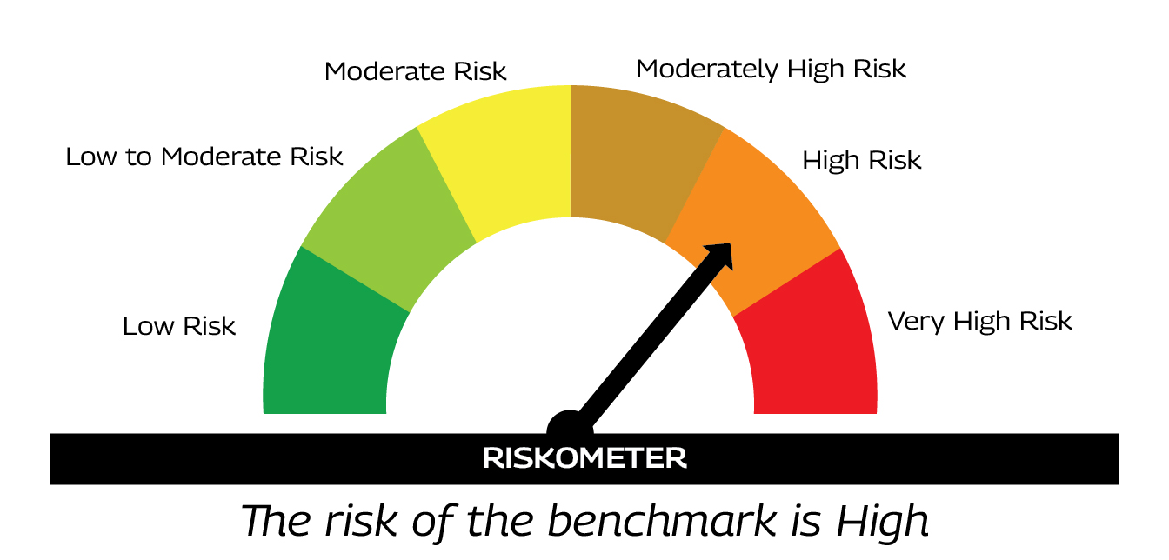
 |  | %Investors should consult their financial advisers if in doubt about whether the product is suitable for them.

MMF12
MMF12 | MAHINDRA MANULIFE MUTUAL FUND
 | Monthly Portfolio Statement as on July 31, 2026
 | Mahindra Manulife Overnight Fund
 | (AN OPEN ENDED DEBT SCHEME INVESTING IN OVERNIGHT SECURITIES. A RELATIVELY LOW INTEREST RATE RISK AND RELATIVELY LOW CREDIT RISK.)

 | Name of the Instrument | ISIN | Industry* / Rating | Quantity | Market/Fair Value (Rs. in Lakhs) | % to Net Assets | Yield to Maturity
 | Debt Instruments
 | (a) Listed / awaiting listing on Stock Exchange |  |  |  | Nil | Nil
 | Sub Total |  |  |  | Nil | Nil
 | (b) Privately placed / Unlisted |  |  |  | Nil | Nil
 | Sub Total |  |  |  | Nil | Nil
 | (c) Securitized Debt Instruments |  |  |  | Nil | Nil
 | Sub Total |  |  |  | Nil | Nil
 | Total
 | Money Market Instruments
 | Treasury Bill/Cash Management Bill
TBIL2653 | 91 Days Tbill 2026 | IN002026X057 | SOVEREIGN | 500,000 | 499.65 | 1.78 | 5.15%
TBIL2660 | 91 Days Tbill 2026 | IN002026X073 | SOVEREIGN | 500,000 | 498.65 | 1.78 | 5.19%
TBIL2656 | 91 Days Tbill 2026 | IN002026X065 | SOVEREIGN | 400,000 | 399.32 | 1.42 | 5.20%
 | Sub Total |  |  |  | 1,397.62 | 4.98
 | Reverse Repo
REP1_310726 | Reverse Repo |  |  | 11,793,941 | 11,793.94 | 41.99 | 5.40%
 | Sub Total |  |  |  | 11,793.94 | 41.99
 | TREPS
TRP_030826 | Triparty Repo |  |  |  | 14,895.90 | 53.03 | 5.26%
 | Sub Total |  |  |  | 14,895.90 | 53.03
 | Total |  |  |  | 28,087.46 | 100.00
 | Net Receivables / (Payables) |  |  |  | 3.07 | $0.00
 | GRAND TOTAL |  |  |  | 28,090.53 | 100.00

 | * Industry Classification is as recommended by AMFI
 | $ Less than 0.005%

 | Notes :
 | (1) The provision made for securities classified as below investment grade or default as of July 31, 2026 is Rs.Nil and its percentage to Net Asset Value is Nil.
 | (2) Aggregate value of illiquid equity shares of the scheme and their percentage to NAV as on July 31, 2026 is Nil.
 | (3) Plan/Option wise Net Assets Value per unit (in Rupees) is as follows:

 | Plan/Option | As on June 30, 2026 | As on July 31, 2026
 | Direct Plan - Growth | 1,411.7896 | 1,417.9614
 | Direct Plan - Daily IDCW | 1,415.2667 | 1,421.4553
 | Regular Plan - Growth | 1,401.9484 | 1,407.9058
 | Regular Plan - Daily IDCW | 1,243.3217 | 1,248.6606
 | Unclaimed IDCW / Redemption upto three years $ | 1,294.7507 | 1,300.4094
 | Unclaimed IDCW / Redemption beyond three years $ | 1,000.0000 | 1,000.0000
 | $- The Unclaimed Plan is not available for subscription / investments by the investors. Only the unclaimed redemption / dividend amounts of the schemes of Mahindra Manulife Mutual Fund shall be invested under this plan.

 | (4) The Scheme did not declare any Income Distribution cum Capital Withdrawal during the Month ended July 31, 2026.
 | (5) The Scheme did not declare any Bonus during the Month ended July 31, 2026.
 | (6) Total outstanding exposure in derivative instruments as on July 31, 2026 is Nil.
 | (7) Total investments in Foreign Securities / Overseas ETFs / ADRs / GDRs as on July 31, 2026 is Nil.
 | (8) Average maturity period of the portfolio (excluding equity investments) : 0.01 Years
 | (9) The scheme had no Repo transaction in Corporate Debt Securities during Month ended July 31, 2026

 | Scheme Name and Type | Product Labeling | Scheme Riskometer | Scheme Benchmark | Benchmark Riskometer
 |  | This Product is Suitable for investors who are seeking%
 | MAHINDRA MANULIFE OVERNIGHT FUND (AN OPEN ENDED DEBT SCHEME INVESTING IN OVERNIGHT SECURITIES. A RELATIVELY LOW INTEREST RATE RISK AND RELATIVELY LOW CREDIT RISK. ) | . TO GENERATE REASONABLE RETURNS WITH HIGH LEVELS OF SAFETY AND CONVENIENCE OF LIQUIDITY OVER SHORT TERM . TO INVEST IN DEBT AND MONEY MARKET INSTRUMENTS HAVING MATURITY OF UPTO 1 BUSINESS DAY | 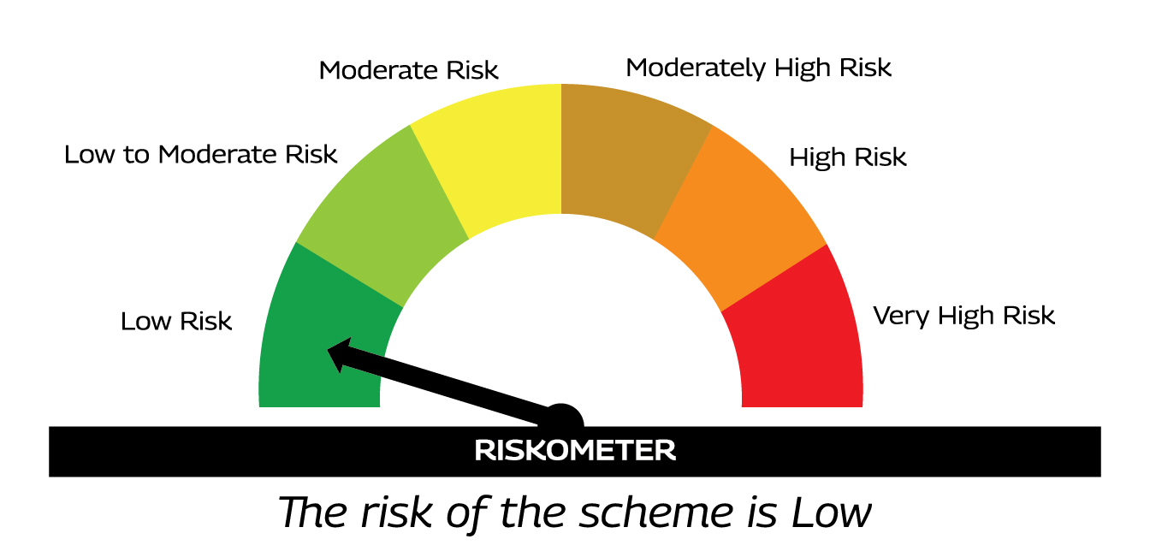 | AS PER AMFI TIER I BENCHMARK I.E. CRISIL LIQUID OVERNIGHT INDEX | 
 |  | %Investors should consult their financial advisers if in doubt about whether the product is suitable for them.

MMF13
MMF13 | MAHINDRA MANULIFE MUTUAL FUND
 | Monthly Portfolio Statement as on July 31, 2026
 | Mahindra Manulife Ultra Short Duration Fund
 | (AN OPEN ENDED ULTRA-SHORT TERM DEBT SCHEME INVESTING IN INSTRUMENTS SUCH THAT THE MACAULAY DURATION OF THE PORTFOLIO IS BETWEEN 3 TO 6 MONTHS. A RELATIVELY LOW INTEREST RATE RISK AND MODERATE CREDT RISK.)

 | Name of the Instrument | ISIN | Industry* / Rating | Quantity | Market/Fair Value (Rs. in Lakhs) | % to Net Assets | Yield to Maturity
 | Debt Instruments
 | (a) Listed / awaiting listing on Stock Exchanges
NBAR741 | 7.8% National Bank For Agriculture and Rural Development 2027 ** | INE261F08EF5 | ICRA AAA | 1,400,000 | 1,403.08 | 6.85 | 7.22%
POWF517 | 7.64% Power Finance Corporation Limited 2026 ** | INE134E08MT1 | CRISIL AAA | 1,350,000 | 1,350.60 | 6.59 | 6.50%
GODP225 | 8.30% Godrej Properties Limited 2027 ** | INE484J08055 | ICRA AA+ | 1,200,000 | 1,204.89 | 5.88 | 7.68%
TCHF389 | 7.8445% Tata Capital Housing Finance Limited 2026 ** | INE033L07IC6 | CRISIL AAA | 1,000,000 | 1,001.12 | 4.89 | 6.95%
RECL449 | 7.71% REC Limited 2027 ** | INE020B08EW9 | CRISIL AAA | 550,000 | 550.99 | 2.69 | 7.15%
PFPL130 | 9.12% Piramal Finance Limited 2027 ** | INE140A07831 | CARE AA+ | 500,000 | 503.09 | 2.46 | 8.46%
MUFL423 | 9.02% Muthoot Finance Limited 2027 ** | INE414G07JF9 | CRISIL AA+ | 500,000 | 502.61 | 2.45 | 8.39%
MEBP25 | 7.95% Mindspace Business Parks REIT 2027 ** | INE0CCU07066 | CRISIL AAA | 500,000 | 502.45 | 2.45 | 7.64%
PHFL174 | 9.3% Piramal Capital & Housing Finance Limited 2027 ** | INE516Y07519 | ICRA AA+ | 500,000 | 502.43 | 2.45 | 7.74%
EOPR32 | 7.96% Embassy Office Parks REIT 2027 ** | INE041007142 | CRISIL AAA | 500,000 | 502.34 | 2.45 | 7.75%
GOSL410 | 8.36% Godrej Industries Limited 2026 ** | INE233A08121 | CRISIL AA+ | 500,000 | 500.26 | 2.44 | 7.10%
MUFL458 | 8.52% Muthoot Finance Limited 2028 ** | INE414G07JO1 | CRISIL AA+ | 500,000 | 499.74 | 2.44 | 8.52%
LICH666 | 7.8350% LIC Housing Finance Limited 2027 | INE115A07QO2 | CRISIL AAA | 400,000 | 400.71 | 1.96 | 7.46%
LICH659 | 6.4% LIC Housing Finance Limited 2026 | INE115A07PN6 | CRISIL AAA | 400,000 | 398.73 | 1.95 | 7.08%
IIFW361 | 9.2% 360 One Prime Limited 2028 (FRN) ** | INE248U07GJ0 | ICRA AA | 250,000 | 250.23 | 1.22 | 9.87%
NBAR838 | 7.48% National Bank For Agriculture and Rural Development 2028 | INE261F08EO7 | CRISIL AAA | 250,000 | 250.16 | 1.22 | 7.43%
DHFL424 | 8.75% Piramal Finance Limited 2027 ** | INE202B07JW4 | ICRA AA+ | 200,000 | 200.49 | 0.98 | 8.47%
 | Sub Total |  |  |  | 10,523.92 | 51.37
 | (b) Privately placed / Unlisted |  |  |  | Nil | Nil
 | Sub Total |  |  |  | Nil | Nil
 | (c) Securitized Debt Instruments |  |  |  | Nil | Nil
 | Sub Total |  |  |  | Nil | Nil
 | Total |  |  |  | 10,523.92 | 51.37
 | Money Market Instruments
 | Treasury Bill/Cash Management Bill
TBIL2570 | 364 Days Tbill 2026 | IN002025Z278 | SOVEREIGN | 1,000,000 | 991.08 | 4.84 | 5.30%
 | Sub Total |  |  |  | 991.08 | 4.84
 | Certificate of Deposit
CANB1068 | Canara Bank 2026 ** # | INE476A16E38 | CRISIL A1+ | 1,800,000 | 1,766.24 | 8.62 | 6.84%
SIDB630 | Small Industries Dev Bank of India 2026 ** # | INE556F16BR2 | CARE A1+ | 1,800,000 | 1,765.82 | 8.62 | 7.00%
KMBK897 | Kotak Mahindra Bank Limited 2027 ** # | INE237AD6141 | CRISIL A1+ | 1,500,000 | 1,446.60 | 7.06 | 6.91%
BKBA578 | Bank of Baroda 2027 # | INE028A16LR2 | CARE A1+ | 1,000,000 | 960.71 | 4.69 | 6.91%
 | Sub Total |  |  |  | 5,939.37 | 28.99
 | Commercial Paper
 | (a) Listed / awaiting listing on Stock Exchange
IIFW360 | 360 One Prime Limited 2026 ** | INE248U14TP6 | CRISIL A1+ | 500,000 | 497.77 | 2.43 | 7.10%
MFPL251 | Infina Finance Private Limited 2026 ** | INE879F14LY8 | CRISIL A1+ | 500,000 | 488.62 | 2.39 | 7.87%
JMMS409 | JM Financial Services Limited 2027 ** | INE012I14SG2 | CRISIL A1+ | 400,000 | 384.99 | 1.88 | 8.18%
 | Sub Total |  |  |  | 1,371.38 | 6.70
 | Reverse Repo
REP1_310726 | Reverse Repo |  |  | 1,131,645 | 1,131.65 | 5.52 | 5.40%
 | Sub Total |  |  |  | 1,131.65 | 5.52
 | TREPS
TRP_030826 | Triparty Repo |  |  |  | 133.01 | 0.65 | 5.26%
 | Sub Total |  |  |  | 133.01 | 0.65
 | Total |  |  |  | 9,566.49 | 46.70
 | Alternative Investment Fund Units
 | Corporate Debt Market Development Fund
CDMD50ME | Corporate Debt Market Development Fund Class A2 | INF0RQ622028 |  | 577.141 | 68.80 | 0.34
 | Sub Total |  |  |  | 68.80 | 0.34
 | Total |  |  |  | 68.80 | 0.34
 | Margin placed with CCIL & ARCL |  |  |  | 14.63 | 0.07
 | Net Receivables / (Payables) |  |  |  | 312.51 | 1.52
 | Net Receivables / (Payables) |  |  |  | 327.13 | 1.59
 | GRAND TOTAL |  |  |  | 20,486.34 | 100.00

 | FRN - Floating Rate Note
 | * Industry Classification is as recommended by AMFI
 | ** Non Traded Security Classification for Traded or Non Traded instruments are done on the basis of information provided by CRISIL and ICRA for last business day.
 | # Unlisted Security

 | Notes :
 | (1) The provision made for securities classified as below investment grade or default as of July 31, 2026 is Rs.Nil and its percentage to Net Asset Value is Nil.
 | (2) Aggregate value of illiquid equity shares of the scheme and their percentage to NAV as on July 31, 2026 is Nil.
 | (3) Plan/Option wise Net Assets Value per unit (in Rupees) is as follows:

 | Plan/Option | As on June 30, 2026 | As on July 31, 2026
 | Direct Plan - Growth | 1,503.1194 | 1,510.7301
 | Direct Plan - Daily IDCW | 1,249.6485 | 1,256.0230
 | Direct Plan - Weekly IDCW | 1,001.7124 | 1,001.3921
 | Regular Plan - Growth | 1,461.3492 | 1,468.2318
 | Regular Plan - Daily IDCW | 1,105.4821 | 1,108.9849
 | Regular Plan - Weekly IDCW | 1,001.6381 | 1,001.3263

 | (4) Details of Income Distribution cum Capital Withdrawal ('IDCW') declared per unit during the Month ended July 31, 2026 is as follows:

 | Plan / Option | IDCW per Unit (in Rupees)
 |  | Individual & HUF | Others
 | Direct Plan - Daily IDCW | - | -
 | Direct Plan - Weekly IDCW | 6.53 | 6.53
 | Regular Plan - Daily IDCW | 1.70 | 1.70
 | Regular Plan - Weekly IDCW | 6.25 | 6.25
 | After distribution of IDCW, the NAV falls to the extent of IDCW and statutory levy, if any. For complete details of IDCW history, please visit www.mahindramanulife.com

 | (5) The Scheme did not declare any Bonus during the Month ended July 31, 2026.
 | (6) Total outstanding exposure in derivative instruments as on July 31, 2026 is Nil.
 | (7) Total investments in Foreign Securities / Overseas ETFs / ADRs / GDRs as on July 31, 2026 is Nil.
 | (8) Average maturity period of the portfolio (excluding equity investments) : 0.50 Years
 | (9) The scheme had no Repo transaction in Corporate Debt Securities during Month ended July 31, 2026

 | Scheme Name and Type | Product Labeling | Scheme Riskometer | Scheme Benchmark | Benchmark Riskometer
 |  | This Product is Suitable for investors who are seeking%
 | MAHINDRA MANULIFE ULTRA SHORT DURATION FUND (AN OPEN ENDED ULTRA-SHORT TERM DEBT SCHEME INVESTING IN INSTRUMENTS SUCH THAT THE MACAULAY DURATION OF THE PORTFOLIO IS BETWEEN 3 TO 6 MONTHS. A RELATIVELY LOW INTEREST RATE RISK AND MODERATE CREDIT RISK) | . REGULAR INCOME OVER SHORT TERM . INVESTMENT IN A PORTFOLIO OF SHORT TERM DEBT AND MONEY MARKET INSTRUMENTS | 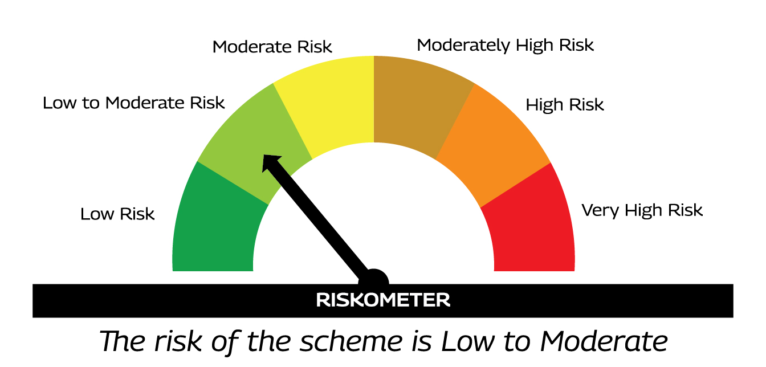 | AS PER AMFI TIER I BENCHMARK I.E. CRISIL ULTRA SHORT DURATION DEBT A-I INDEX
 |  | %Investors should consult their financial advisers if in doubt about whether the product is suitable for them.

MMF20
MMF20 | MAHINDRA MANULIFE MUTUAL FUND
 | Monthly Portfolio Statement as on July 31, 2026
 | Mahindra Manulife Balanced Advantage Fund
 | (AN OPEN ENDED DYNAMIC ASSET ALLOCATION FUND.)

 | Name of the Instrument | ISIN | Industry* / Rating | Quantity | Market/Fair Value (Rs. in Lakhs) | % to Net Assets | Yield to Maturity
 | Equity & Equity related
 | (a) Listed / awaiting listing on Stock Exchanges
IBCL05 | ICICI Bank Limited | INE090A01021 | Banks | 257,500 | 3,696.16 | 4.03
BTVL02 | Bharti Airtel Limited | INE397D01024 | Telecom - Services | 118,000 | 2,326.96 | 2.54
HDFB03 | HDFC Bank Limited | INE040A01034 | Banks | 291,201 | 2,178.62 | 2.38
RIND01 | Reliance Industries Limited | INE002A01018 | Petroleum Products | 165,000 | 2,157.87 | 2.35
IIBL01 | IndusInd Bank Limited | INE095A01012 | Banks | 206,000 | 2,085.65 | 2.27
UTIB02 | Axis Bank Limited | INE238A01034 | Banks | 150,000 | 1,844.25 | 2.01
ZMPL01 | Eternal Limited | INE758T01015 | Retailing | 605,000 | 1,829.82 | 1.99
LAUR02 | Laurus Labs Limited | INE947Q01028 | Pharmaceuticals & Biotechnology | 97,000 | 1,761.71 | 1.92
APOL02 | Apollo Hospitals Enterprise Limited | INE437A01024 | Healthcare Services | 18,500 | 1,657.05 | 1.81
JSPL03 | Jindal Steel Limited | INE749A01030 | Ferrous Metals | 139,812 | 1,541.29 | 1.68
FEBA02 | The Federal Bank Limited | INE171A01029 | Banks | 420,000 | 1,507.17 | 1.64
TEMA02 | Tech Mahindra Limited | INE669C01036 | IT - Software | 84,000 | 1,387.09 | 1.51
SBAI02 | State Bank of India | INE062A01020 | Banks | 131,500 | 1,351.03 | 1.47
MAHI02 | Mahindra & Mahindra Limited | INE101A01026 | Automobiles | 39,600 | 1,345.81 | 1.47
ATVL02 | Aditya Vision Ltd | INE679V01027 | Retailing | 206,658 | 1,318.58 | 1.44
TWAT02 | Titan Company Limited | INE280A01028 | Consumer Durables | 26,500 | 1,291.93 | 1.41
BHAH02 | Bharat Heavy Electricals Limited | INE257A01026 | Electrical Equipment | 310,000 | 1,261.70 | 1.38
LARS02 | Larsen & Toubro Limited | INE018A01030 | Construction | 31,400 | 1,236.81 | 1.35
FRHL01 | Fortis Healthcare Limited | INE061F01013 | Healthcare Services | 130,000 | 1,228.50 | 1.34
SENO01 | Senores Pharmaceuticals Limited | INE0RB801010 | Pharmaceuticals & Biotechnology | 90,000 | 1,175.13 | 1.28
BAFL03 | Bajaj Finance Ltd | INE296A01032 | Finance | 99,549 | 1,136.05 | 1.24
ONGC02 | Oil & Natural Gas Corporation Limited | INE213A01029 | Oil | 461,000 | 1,118.06 | 1.22
BHEL02 | Bharat Electronics Limited | INE263A01024 | Aerospace & Defense | 288,000 | 1,117.01 | 1.22
GLPH03 | Glenmark Pharmaceuticals Limited | INE935A01035 | Pharmaceuticals & Biotechnology | 48,065 | 1,073.72 | 1.17
BOMA01 | Bank of Maharashtra | INE457A01014 | Banks | 1,337,000 | 1,060.64 | 1.16
MAUD01 | Maruti Suzuki India Limited | INE585B01010 | Automobiles | 6,800 | 967.91 | 1.06
TOPH02 | Torrent Pharmaceuticals Limited | INE685A01028 | Pharmaceuticals & Biotechnology | 18,189 | 931.79 | 1.02
ABFS01 | Aditya Birla Capital Limited | INE674K01013 | Finance | 230,000 | 929.89 | 1.01
SSNL02 | Delhivery Limited | INE148O01028 | Transport Services | 191,000 | 920.52 | 1.00
DIVI02 | Divi's Laboratories Limited | INE361B01024 | Pharmaceuticals & Biotechnology | 11,300 | 910.33 | 0.99
ULCC01 | UltraTech Cement Limited | INE481G01011 | Cement & Cement Products | 7,600 | 904.63 | 0.99
MCEX02 | Multi Commodity Exchange of India Limited | INE745G01043 | Capital Markets | 33,400 | 899.19 | 0.98
INFS02 | Infosys Limited | INE009A01021 | IT - Software | 78,064 | 882.20 | 0.96
INBK01 | Indian Bank | INE562A01011 | Banks | 105,000 | 878.33 | 0.96
COAL01 | Coal India Limited | INE522F01014 | Consumable Fuels | 211,000 | 873.86 | 0.95
PGCI01 | Power Grid Corporation of India Limited | INE752E01010 | Power | 290,000 | 824.33 | 0.90
BSLM02 | Aditya Birla Sun Life AMC Limited | INE404A01024 | Capital Markets | 80,000 | 809.44 | 0.88
BALN01 | Bajaj Auto Limited | INE917I01010 | Automobiles | 6,936 | 799.06 | 0.87
POCA01 | Polycab India Limited | INE455K01017 | Industrial Products | 8,700 | 792.27 | 0.86
IDBK01 | IDFC First Bank Limited | INE092T01019 | Banks | 930,000 | 787.52 | 0.86
LTFL01 | L&T Finance Limited | INE498L01015 | Finance | 241,197 | 750.73 | 0.82
MOTI02 | Bosch Limited | INE323A01026 | Auto Components | 1,800 | 739.53 | 0.81
RAKH02 | Radico Khaitan Limited | INE944F01028 | Beverages | 17,000 | 737.94 | 0.80
SRFL01 | SRF Limited | INE647A01010 | Chemicals & Petrochemicals | 26,000 | 681.85 | 0.74
VMML01 | Vishal Mega Mart Limited | INE01EA01019 | Retailing | 636,000 | 681.16 | 0.74
PHMI02 | The Phoenix Mills Limited | INE211B01039 | Realty | 35,000 | 662.66 | 0.72
NITL02 | Coforge Limited | INE591G01025 | IT - Software | 38,000 | 653.98 | 0.71
MARC02 | Marico Limited | INE196A01026 | Agricultural Food & other Products | 75,000 | 652.99 | 0.71
BINL01 | Indus Towers Limited | INE121J01017 | Telecom - Services | 166,000 | 649.23 | 0.71
ZLSP01 | Black Buck Ltd | INE0UIZ01018 | Transport Services | 115,000 | 623.88 | 0.68
KCUL02 | Cummins India Limited | INE298A01020 | Industrial Products | 10,000 | 551.90 | 0.60
JSWE01 | JSW Energy Limited | INE121E01018 | Power | 98,000 | 543.56 | 0.59
HDAM01 | HDFC Asset Management Company Limited | INE127D01025 | Capital Markets | 20,000 | 523.16 | 0.57
IINF02 | IIFL Finance Limited | INE530B01024 | Finance | 75,675 | 460.60 | 0.50
MAGL01 | Mahanagar Gas Limited | INE002S01010 | Gas | 40,159 | 449.98 | 0.49
DLFL01 | DLF Limited | INE271C01023 | Realty | 68,000 | 448.32 | 0.49
MAXI02 | Max Financial Services Limited | INE180A01020 | Insurance | 26,500 | 397.24 | 0.43
HALT02 | Hindustan Aeronautics Limited | INE066F01020 | Aerospace & Defense | 8,000 | 371.72 | 0.41
ARVF01 | Arvind Fashions Limited | INE955V01021 | Retailing | 49,822 | 224.20 | 0.24
 | Sub Total |  |  |  | 63,604.51 | 69.33
 | (b) Unlisted |  |  |  | Nil | Nil
 | Sub Total |  |  |  | Nil | Nil
 | Total |  |  |  | 63,604.51 | 69.33
 | Reits
BRFI01 | Brookfield India Real Estate Trust | INE0FDU25010 | Realty | 566,396 | 1,934.13 | 2.11
 | Sub Total |  |  |  | 1,934.13 | 2.11
 | Total |  |  |  | 1,934.13 | 2.11
 | Debt Instruments
 | (a) Listed / awaiting listing on Stock Exchanges
NBAR896 | 7.44% National Bank For Agriculture and Rural Development 2029 | INE261F08EU4 | CRISIL AAA | 2,500,000 | 2,503.60 | 2.73 | 7.38%
...
 | (4) The Scheme did not declare any Income Distribution cum Capital Withdrawal during the Month ended July 31, 2026.
 | (5) The Scheme did not declare any Bonus during the Month ended July 31, 2026.
 | (6) Total outstanding exposure in derivative instruments as on July 31, 2026 is Nil.
 | (7) Total investments in Foreign Securities / Overseas ETFs / ADRs / GDRs as on July 31, 2026 is Nil.
 | (8) Portfolio Turnover ratio for twelve months ended July 31, 2026 is 0.91 times.
 | (9) The scheme had no Repo transaction in Corporate Debt Securities during Month ended July 31, 2026

 | Scheme Name and Type | Product Labeling | Scheme Riskometer | Scheme Benchmark | Benchmark Riskometer
 |  | This Product is Suitable for investors who are seeking%
 | MAHINDRA MANULIFE BALANCED ADVANTAGE FUND (AN OPEN ENDED DYNAMIC ASSET ALLOCATION FUND) | . CAPITAL APPRECIATION WHILE GENERATING INCOME OVER MEDIUM TO LONG TERM . INVESTMENTS IN A DYNAMICALLY MANAGED PORTFOLIO OF EQUITY AND EQUITY RELATED INSTRUMENTS AND DEBT AND MONEY MARKET INSTRUMENTS |  | AS PER AMFI TIER I BENCHMARK I.E. NIFTY 50 HYBRID COMPOSITE DEBT 50: 50 INDEX TRI | 
 |  | %Investors should consult their financial advisers if in doubt about whether the product is suitable for them.

MMF21
...
(4) The Scheme did not declare any Income Distribution cum Capital Withdrawal during the Month ended July 31, 2026.
(5) The Scheme did not declare any Bonus during the Month ended July 31, 2026.
(6) Total outstanding exposure in derivative instruments as on July 31, 2026 is Nil.
(7) Total investments in Foreign Securities / Overseas ETFs / ADRs / GDRs as on July 31, 2026 is Nil.
(8) Portfolio Turnover ratio for twelve months ended July 31, 2026 is 0.95 times.
(9) The scheme had no Repo transaction in Corporate Debt Securities during Month ended July 31, 2026

Scheme Name and Type | Product Labeling | Scheme Riskometer | Scheme Benchmark | Benchmark Riskometer
 | This Product is Suitable for investors who are seeking%
MAHINDRA MANULIFE SMALL CAP FUND (SMALL CAP FUND - AN OPEN ENDED EQUITY SCHEME PREDOMINANTLY INVESTING IN SMALL CAP STOCKS) | . LONG TERM CAPITAL APPRECIATION . INVESTMENT PREDOMINANTLY IN EQUITY AND EQUITY RELATED SECURITIES OF SMALL CAP COMPANIES |  | AS PER AMFI TIER I BENCHMARK I.E. BSE 250 SMALL CAP TRI
 | %Investors should consult their financial advisers if in doubt about whether the product is suitable for them.

